PACKING DETAIL
ITEM : TMED-II motor post process, +150,000
Container No. | Line Name | Work Station | Facility Name | Package No. |  | Description |  |  | Qty | Unit Price | Total USD | Net Weight (Kg) | Gross Weight (Kg) | Gross Size(m) |  |  | Measure. ( M³) |  |  |  |  | Pictures(packing) |  | Container Specifications | Container No. | Seal No. | Container No. | CLP
 |  |  |  |  | SPECIFIC USE | PERCENTAGES OF EACH COMPOMENT | CUURENT POWER AND TYPE OR CURRENT | Category |  |  |  |  |  | L | W | H |  | HS code | Country of origin | Brand | Packaging type | before | after
39 | TMED-II motor post process, +150,000 |  | Autoloader #3 | WIA-FINE-047 | A linear robot system for transferring products between processes. | · Steel : 85% · MC nylon : 5% · Aluminum : 5% · Accessories : 5% | · Electricty : AC 480V 60Hz 3-phase · Control : DC 24V (AC120V) | EA | 1 | 12,000 | 12,000 | 2,032 | 2,540 | 4,300 | 2,400 | 3,400 | 35.088 | 8479.89 | KOREA | HYUNDAI WIA | Wooden | 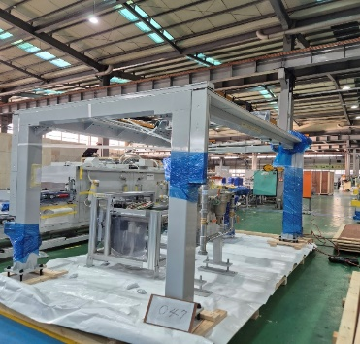 | 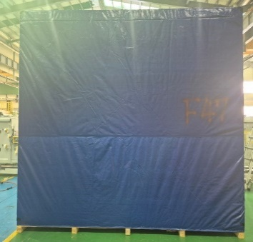 | 40FR | HLBU8265799 | - | 39 | 4
 | TMED-II motor post process, +150,000 |  | Autoloader #4 | WIA-FINE-093 | A linear robot system for transferring products between processes. | · Steel : 85% · MC nylon : 5% · Aluminum : 5% · Accessories : 5% | · Electricty : AC 480V 60Hz 3-phase · Control : DC 24V (AC120V) | EA | 1 | 12,000 | 12,000 | 1,872 | 2,340 | 4,000 | 2,400 | 3,400 | 32.640 | 8479.89 | KOREA | HYUNDAI WIA | Wooden | 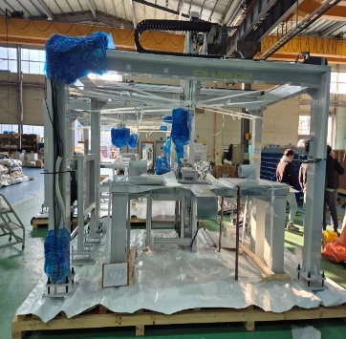 | 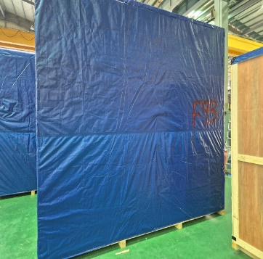 |  |  |  |  |  | OH
 | TMED-II motor post process, +150,000 |  | dust collector | WIA-FINE-076 | A dust collector is used to remove dust, fine particles, and contaminants generated during the process in order to maintain a clean working environment and prevent equipment contamination. | · Steel : 85% · Plastic : 5% · Rubber : 5% · Accessories : 5% | · Electricty : AC 480V 60Hz 3-phase · Control : DC 24V (AC120V) | EA | 2 | 5,000 | 10,000 | 624 | 780 | 2,250 | 1,220 | 2,900 | 7.961 | 8479.89 | KOREA | HYUNDAI WIA | Wooden | 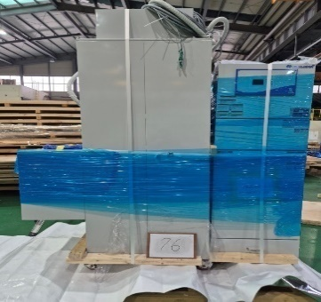 | 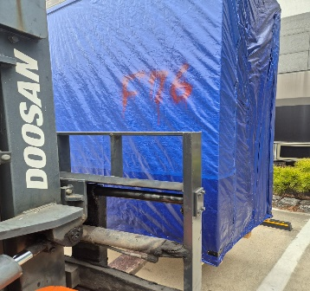
40 | TMED-II motor post process, +150,000 |  | Autoloader #1 | WIA-FINE-045 | A linear robot system for transferring products between processes. | · Steel : 85% · MC nylon : 5% · Aluminum : 5% · Accessories : 5% | · Electricty : AC 480V 60Hz 3-phase · Control : DC 24V (AC120V) | EA | 1 | 12,000 | 12,000 | 1,232 | 1,540 | 3,200 | 3,050 | 3,400 | 33.184 | 8479.89 | KOREA | HYUNDAI WIA | Wooden | 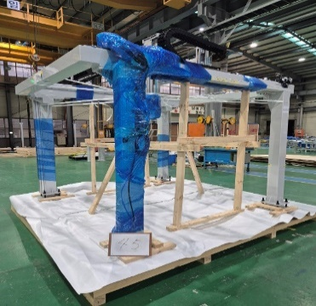 | 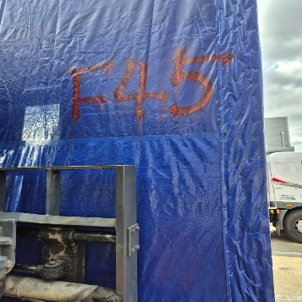 | 40FR | HLBU8282559 | - | 40 | 4
 | TMED-II motor post process, +150,000 |  | Control Panel #9~#12 | WIA-FINE-114 | A control panel with a stand for operating the equipment. | · Steel : 20% · Electrical Control Devices : 30% · Protection Devices : 15% · Wiring Materials : 20% · Cooling / Protection System : 10% · Accessories : 5% | · Electricty : AC 480V 60Hz 3-phase · Control : DC 24V (AC120V) | EA | 4 | 28,000 | 112,000 | 3,248 | 4,060 | 3,300 | 2,600 | 3,050 | 26.169 | 8479.89 | KOREA | HYUNDAI WIA | Wooden | 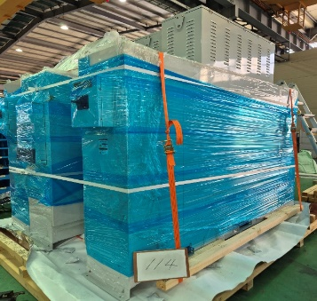 | 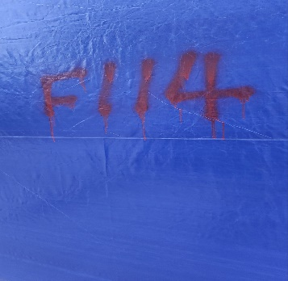 |  |  |  |  |  | OWH
 | TMED-II motor post process, +150,000 | OP40 | Terminal Assembly #1 | WIA-FINE-059 | An automated assembly system for mounting terminals onto the product. | · Steel : 60% · Stainless Steel : 20% · Aluminum : 15% · MC nyron : 5% | · Electricty : AC 480V 60Hz 3-phase · Control : DC 24V (AC120V) | EA | 1 | 140,000 | 140,000 | 2,944 | 3,680 | 3,500 | 3,200 | 3,350 | 37.520 | 8479.89 | KOREA | HYUNDAI WIA | Wooden | 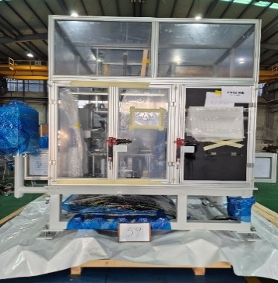 | 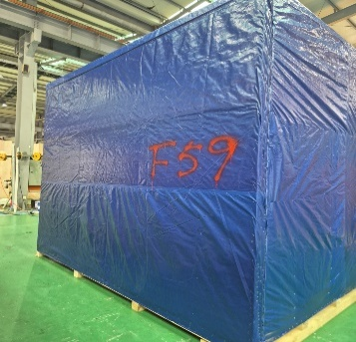
41 | TMED-II motor post process, +150,000 | OP61 | Fusing #1 | WIA-FINE-067 | An automated fusion welding system for joining product wires and terminal wires. | · Steel : 60% · Stainless Steel : 20% · Aluminum : 15% · MC nyron : 5% | · Electricty : AC 480V 60Hz 3-phase · Control : DC 24V (AC120V) | EA | 1 | 170,000 | 170,000 | 2,128 | 2,660 | 3,400 | 2,400 | 3,050 | 24.888 | 8479.89 | KOREA | HYUNDAI WIA | Wooden | 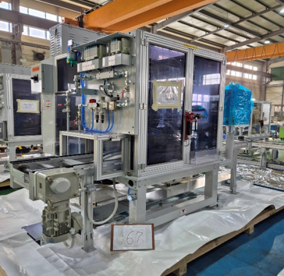 | 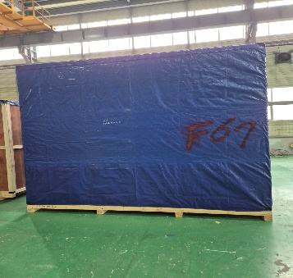 | 40FR | HLBU8276155 | - | 41 | 4
 | TMED-II motor post process, +150,000 | OP62 | Fusing #2 | WIA-FINE-068 | An automated fusion welding system for joining product wires and terminal wires. | · Steel : 60% · Stainless Steel : 20% · Aluminum : 15% · MC nyron : 5% | · Electricty : AC 480V 60Hz 3-phase · Control : DC 24V (AC120V) | EA | 1 | 170,000 | 170,000 | 2,096 | 2,620 | 3,400 | 2,400 | 3,050 | 24.888 | 8479.89 | KOREA | HYUNDAI WIA | Wooden | 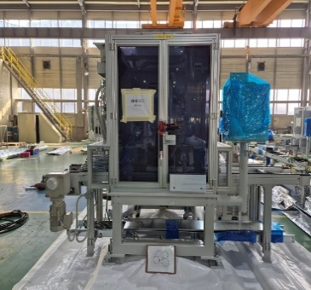 | 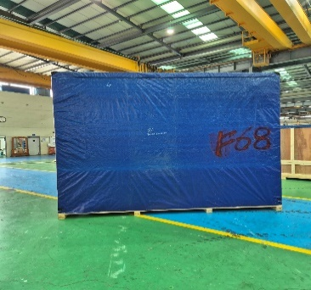 |  |  |  |  |  | OH
 | TMED-II motor post process, +150,000 |  | Autoloader #5 | WIA-FINE-094 | A linear robot system for transferring products between processes. | · Steel : 85% · MC nylon : 5% · Aluminum : 5% · Accessories : 5% | · Electricty : AC 480V 60Hz 3-phase · Control : DC 24V (AC120V) | EA | 1 | 12,000 | 12,000 | 1,712 | 2,140 | 4,300 | 2,300 | 3,400 | 33.626 | 8479.89 | KOREA | HYUNDAI WIA | Wooden | 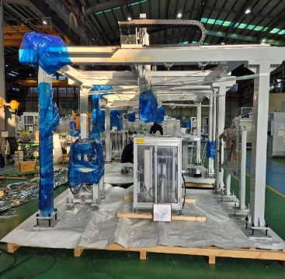 | 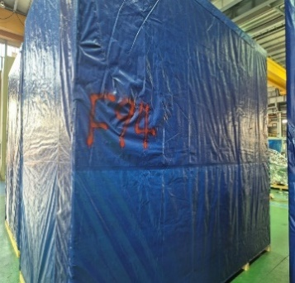
42 | TMED-II motor post process, +150,000 |  | Autoloader #2 | WIA-FINE-046 | A linear robot system for transferring products between processes. | · Steel : 85% · MC nylon : 5% · Aluminum : 5% · Accessories : 5% | · Electricty : AC 480V 60Hz 3-phase · Control : DC 24V (AC120V) | EA | 1 | 12,000 | 12,000 | 1,344 | 1,680 | 3,660 | 2,350 | 3,400 | 29.243 | 8479.89 | KOREA | HYUNDAI WIA | Wooden | 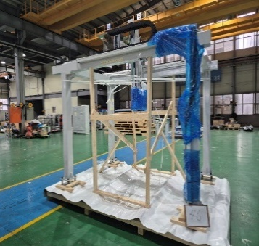 | 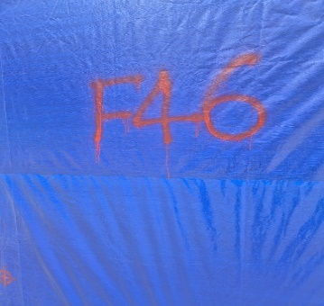 | 40FR | HLBU8165758 | - | 42 | 4
 | TMED-II motor post process, +150,000 |  | Autoloader #6 | WIA-FINE-095 | A linear robot system for transferring products between processes. | · Steel : 85% · MC nylon : 5% · Aluminum : 5% · Accessories : 5% | · Electricty : AC 480V 60Hz 3-phase · Control : DC 24V (AC120V) | EA | 1 | 12,000 | 12,000 | 1,872 | 2,340 | 4,300 | 2,300 | 3,400 | 33.626 | 8479.89 | KOREA | HYUNDAI WIA | Wooden | 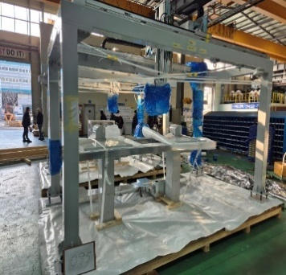 | 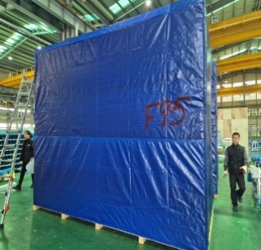 |  |  |  |  |  | OH
 | TMED-II motor post process, +150,000 |  | multi-joint robot | WIA-FINE-106 | A multi-axis robot designed to stack finished products onto pallets. | · Steel : 85% · Plastic : 5% · Rubber : 5% · Accessories : 5% | · Electricty : AC 480V 60Hz 3-phase · Control : DC 24V (AC120V) | EA | 1 | 34,000 | 34,000 | 2,416 | 3,020 | 3,300 | 2,000 | 3,400 | 22.440 | 8479.89 | KOREA | HYUNDAI WIA | Wooden | 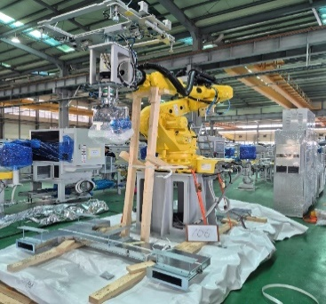 | 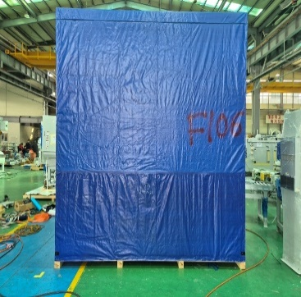
44 | TMED-II motor post process, +150,000 |  | Control Panel #5~#8 | WIA-FINE-113 | A control panel with a stand for operating the equipment. | · Steel : 20% · Electrical Control Devices : 30% · Protection Devices : 15% · Wiring Materials : 20% · Cooling / Protection System : 10% · Accessories : 5% | · Electricty : AC 480V 60Hz 3-phase · Control : DC 24V (AC120V) | EA | 4 | 28,000 | 112,000 | 2,816 | 3,520 | 3,300 | 2,600 | 3,050 | 26.169 | 8479.89 | KOREA | HYUNDAI WIA | Wooden | 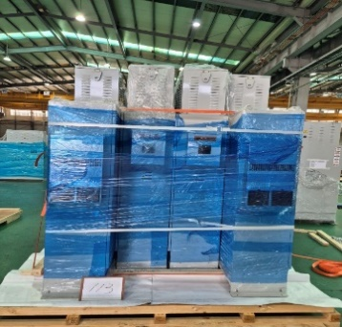 | 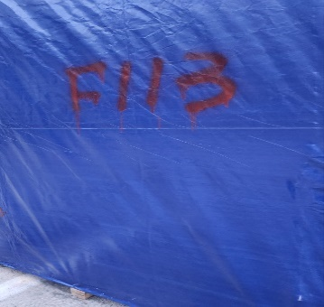 | 40FR | HLBU8252873 | - | 44 | 4 | OWH
 |  |  |  | 13 Boxes |  |  |  | EA | 20 |  | 820,000 | 26,336 | 32,920 |  |  |  | 367.442 |  |  |  |  |  |  | 5
END | END | END | END | END | END | END | END | END | END | END | END | END | END | END | END | END | END | END | END | END | END | END | END | END | END | END | END | END
 |  |  |  |  |  |  |  |  |  |  |  |  |  |  |  |  |  |  |  |  |  |  | 40HC | 0 |  |  | 1st | 0
 |  |  |  |  |  |  |  |  |  |  |  |  |  |  | - |  |  |  |  |  |  |  | 40FR | 5 |  |  | 2nd | 0
 |  |  |  |  |  |  |  |  |  |  |  |  |  |  |  |  |  |  |  |  |  |  |  |  |  |  | 3rd | 0
 |  |  |  |  |  |  |  |  |  |  |  |  | - |  |  |  |  |  |  |  |  |  |  |  |  |  | 4th | 5

Machine PHOTO
TMED-II motor post process, +150,000 |  |  |  |  |  |  | 2026-04-06

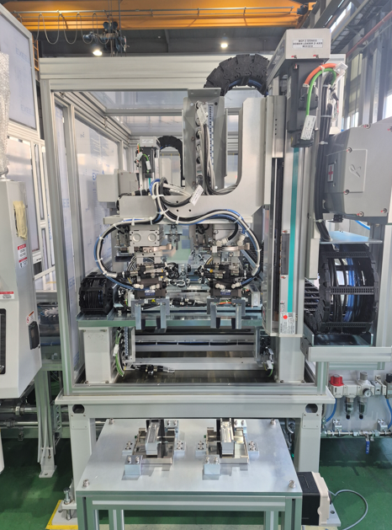 | 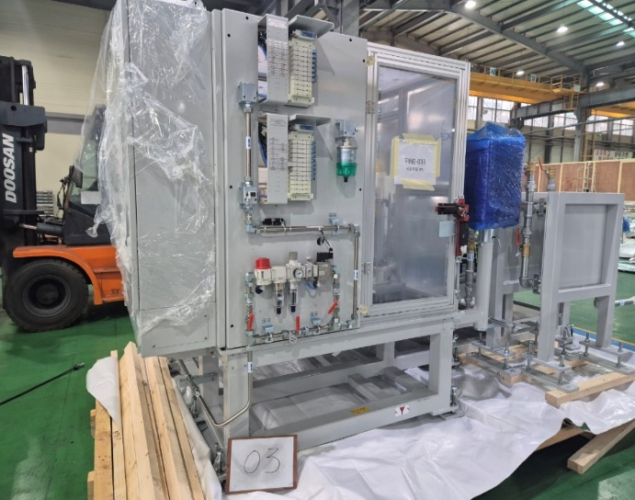 | 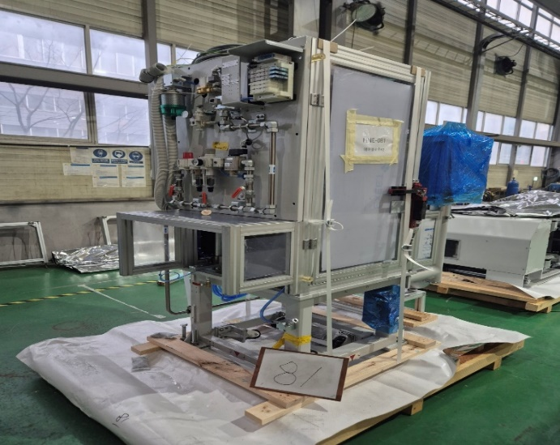 | 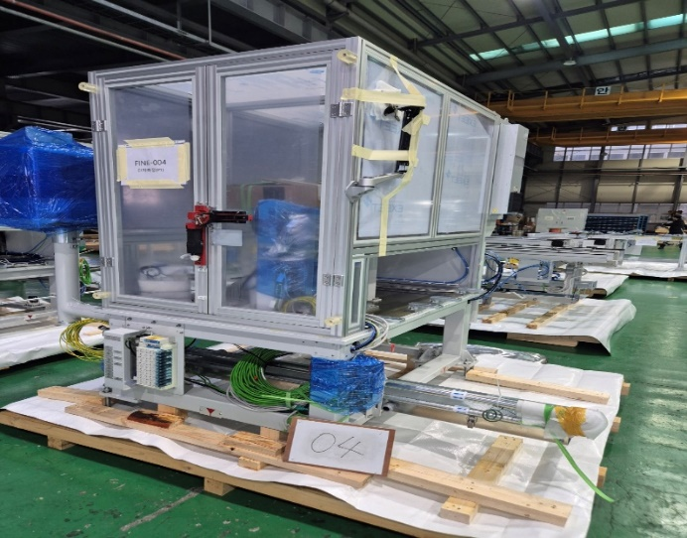 | 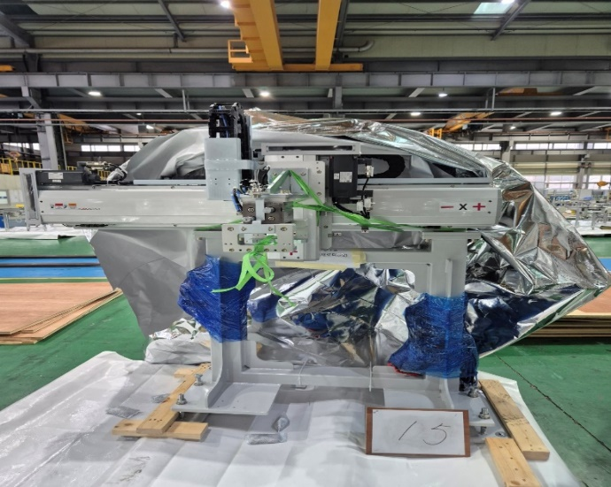 | 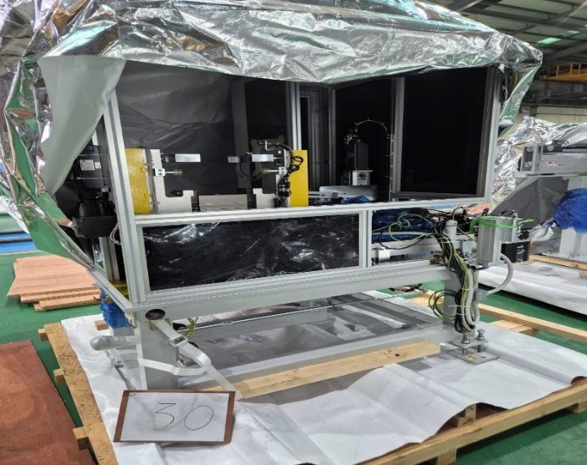 | 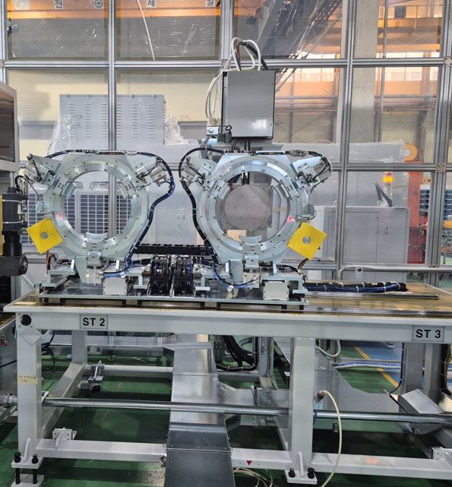
Bobbin alignment(보빈정렬) | Supporting &Hot Pressing(서포터링 열간압입) | Airblow(냉각에어블로) | Terminal measurement(단차측정) | Process connection reloade(이재로더) | Marking machine(마킹기) | Preheating the varnish(바니쉬 예열)

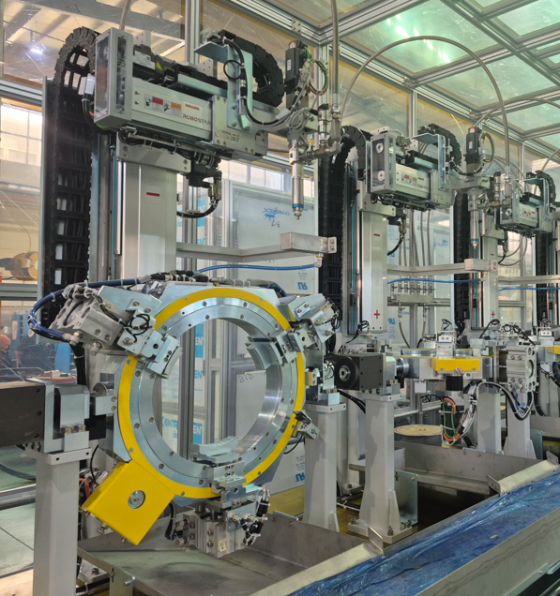 | 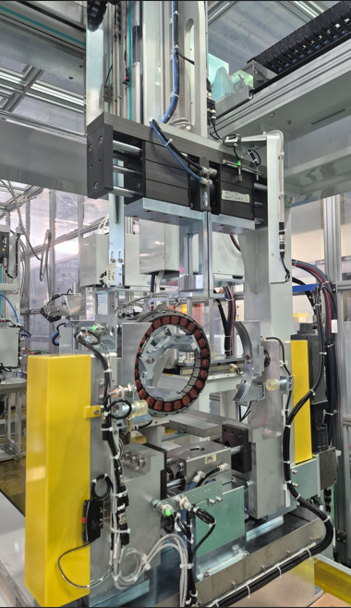 |  | 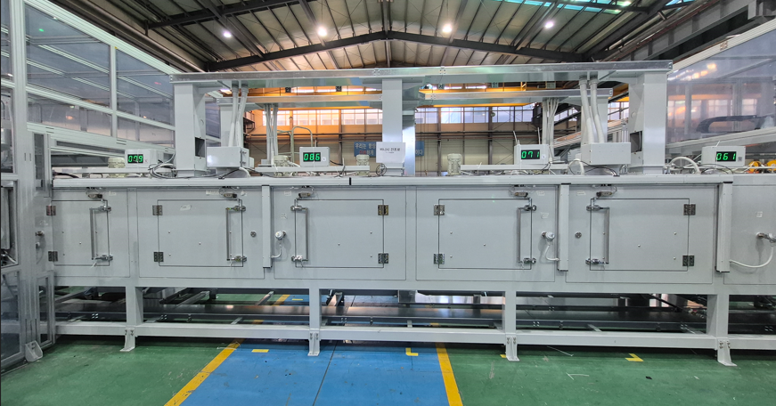 | 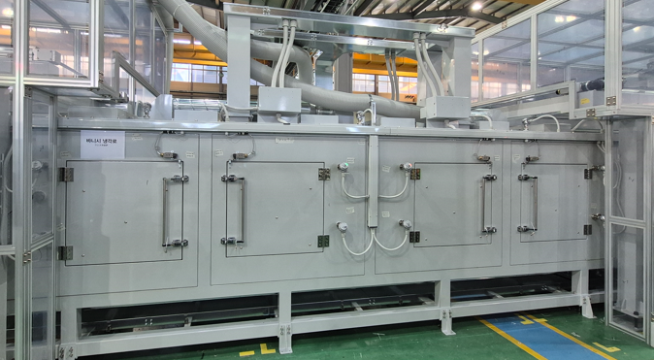 | 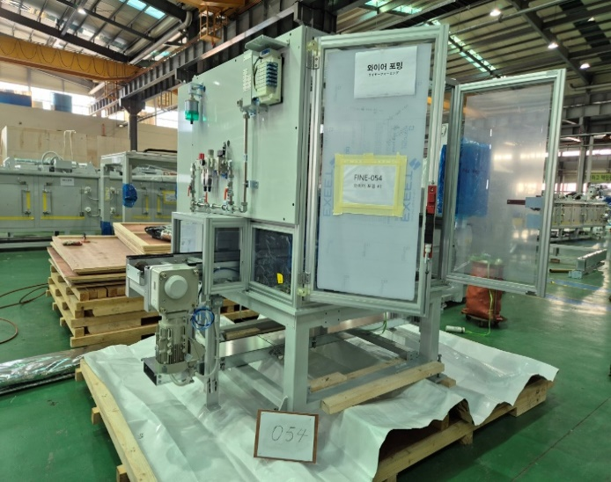 | 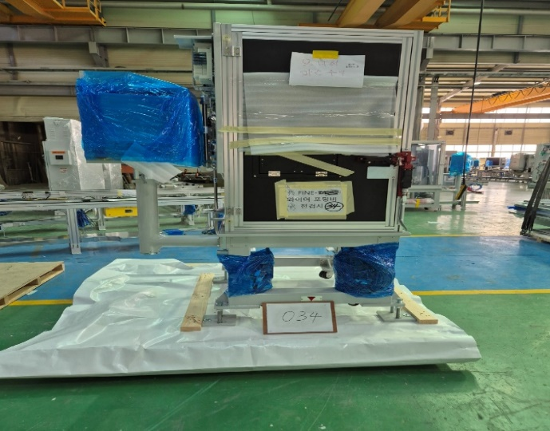
Varnish application #1(바니쉬 도포) | Varnish curing (바니쉬 경화) | Autoloader (오토로더) | Varnish drying oven (바니쉬 건조로) | Varnish cooling furnace (바니쉬 냉각로) | Wire Forming (와이어포밍) | Wireforming Vision Inspection(와이어 포밍 비젼검사)

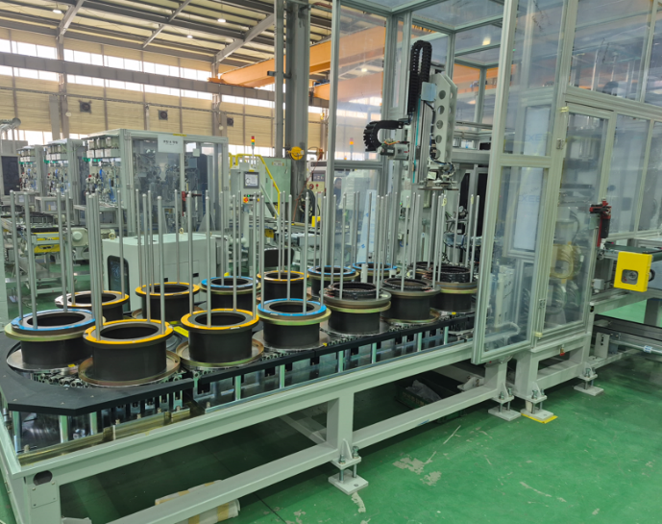 | 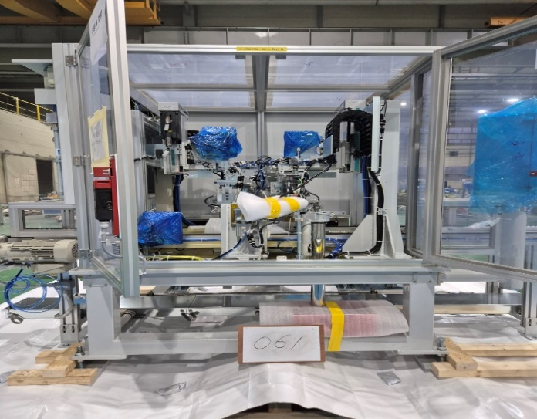 |  | 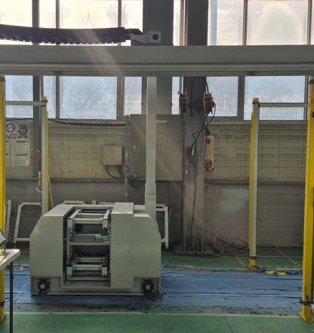 | 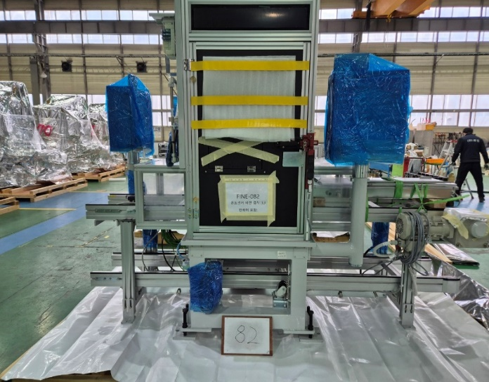 | 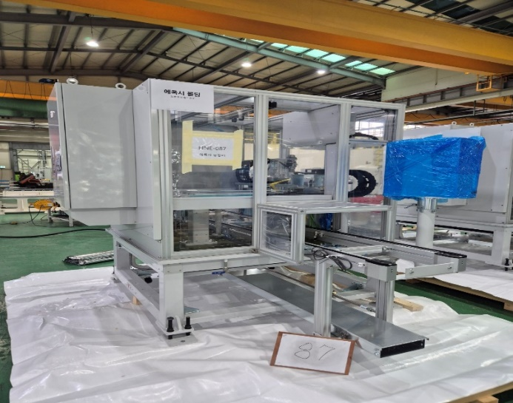 | 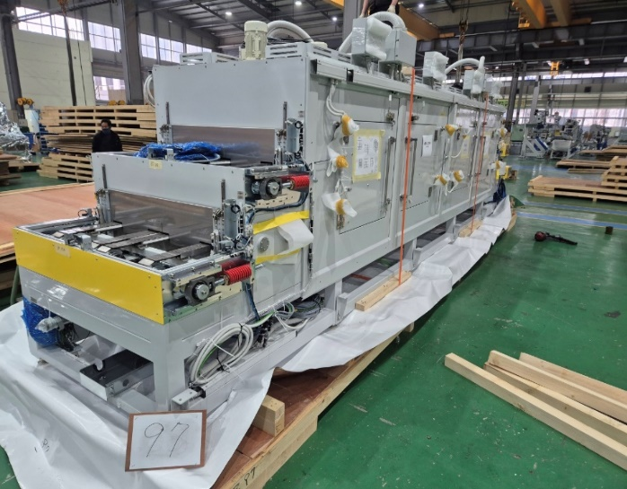
Terminal Assembly (터미널 조립 & 검사) | Caulking & Cutting (코팅 & 컷팅) | Fusing (퓨징검사) | Traverse(트래버스) | Temperature sensor vision inspection (온도센서 조립 비젼검사) | Epoxy Molding(에폭시 몰딩) | Epoxy drying furnace(에폭시 경화로)

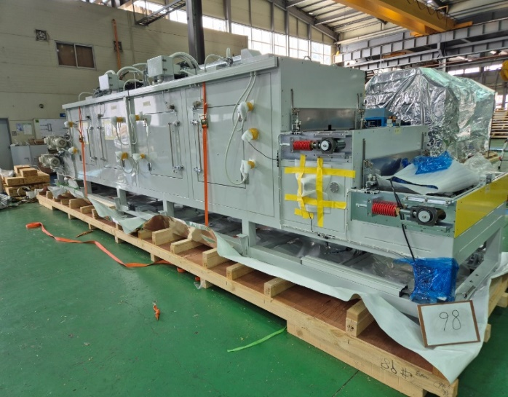 | 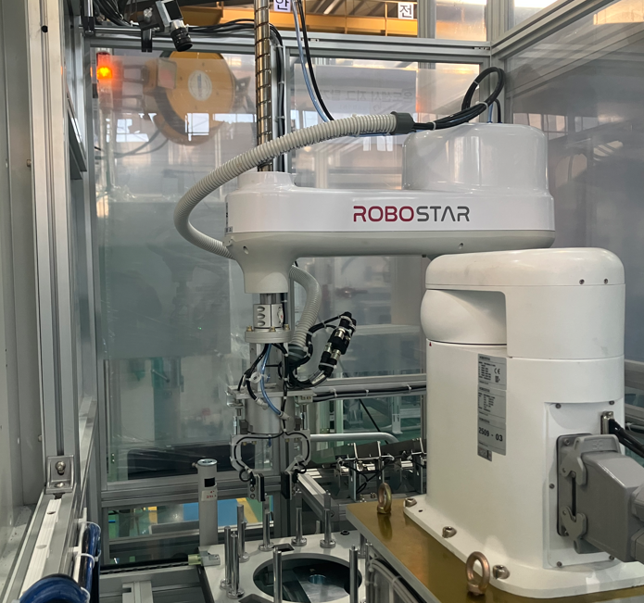 | 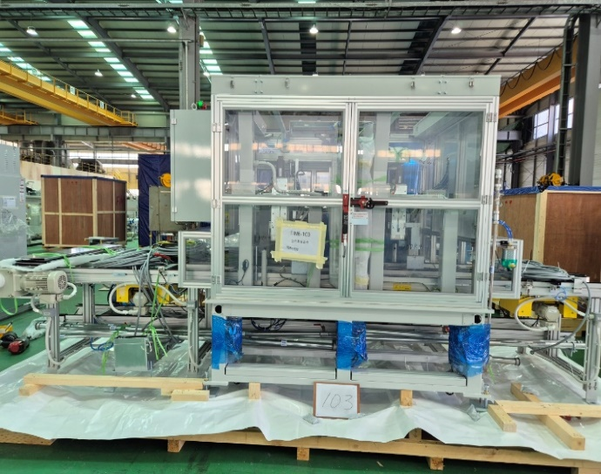 | 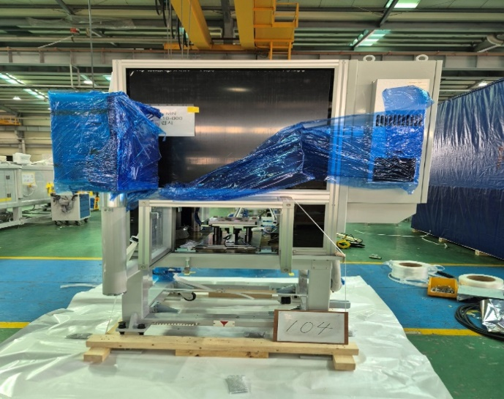 |  | 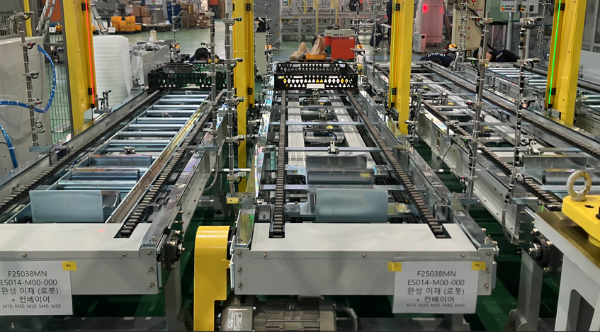
Epoxy cooling furnace(에폭시 냉각로) | Jig removal robot(온도센서 지그탈거) | 전기특성(Electrical characteristics test) | 완성검사(Completion inspection) | multi-joint robot(완성이재) | Finished Pallet Conveyor(완성적재 컨베어)

