PACKING DETAIL
ITEM : TMED-II motor post process, +150,000
Container No. | Line Name | Work Station | Facility Name | Package No. |  |  |  | Qty | Unit Price | Total USD | Net Weight (Kg) | Gross Weight (Kg) | Gross Size(m) |  |  | Measure. ( M³) |  |  |  |  | Pictures(packing) |  | Container Specifications | Container No. | Seal No. | Container No. | CLP
 |  |  |  |  | SPECIFIC USE | CUURENT POWER AND TYPE OR CURRENT | Category |  |  |  |  |  | L | W | H |  | HS code | Country of origin | Brand | Packaging type | before | after
37 | TMED-II motor post process, +150,000 |  | Kentry #1 | WIA-FINE-036 | A gantry loading system for transferring products between processes. | · Electricty : AC 480V 60Hz 3-phase · Control : DC 24V (AC120V) | EA | 1 | 100,000 | 100,000 | 3,840 | 4,800 | 6,100 | 2,440 | 3,200 | 47.629 | 8479.89 | KOREA | HYUNDAI WIA | Wooden | 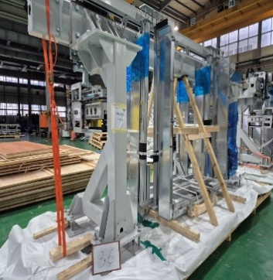 | 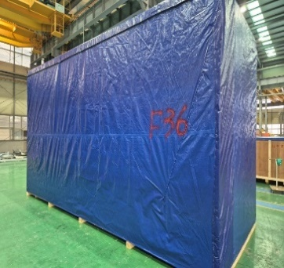 | 40FR | HMMU7509129 | - | 37 | 3
 | TMED-II motor post process, +150,000 | OP60 | Hot Pressing #1 (P1) | WIA-FINE-002 | An equipment that heats the product and performs press-fitting assembly. | · Electricty : AC 480V 60Hz 3-phase · Control : DC 24V (AC120V) | EA | 1 | 120,000 | 120,000 | 3,856 | 4,820 | 4,700 | 2,750 | 3,350 | 43.299 | 8479.89 | KOREA | HYUNDAI WIA | Wooden | 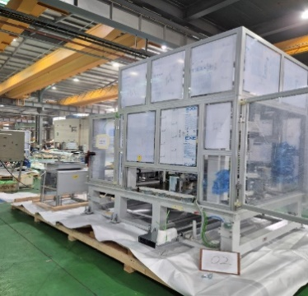 | 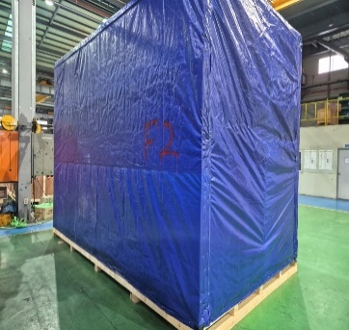
38 | TMED-II motor post process, +150,000 |  | Kentry #2 | WIA-FINE-037 | A gantry loading system for transferring products between processes. | · Electricty : AC 480V 60Hz 3-phase · Control : DC 24V (AC120V) | EA | 1 | 100,000 | 100,000 | 4,064 | 5,080 | 6,100 | 2,440 | 3,200 | 47.629 | 8479.89 | KOREA | HYUNDAI WIA | Wooden | 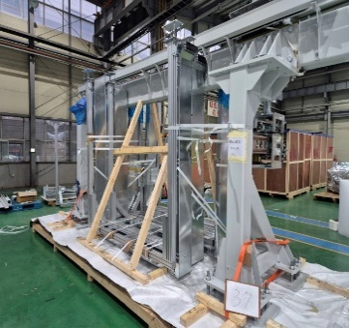 | 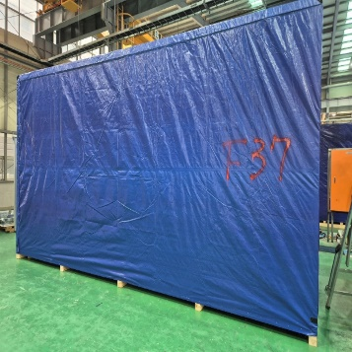 | 40FR | HMMU7507548 | - | 38 | 3
 | TMED-II motor post process, +150,000 | OP060 | Hot pressing #1 (P2) | WIA-FINE-008 | An equipment that heats the product and performs press-fitting assembly. | · Electricty : AC 480V 60Hz 3-phase · Control : DC 24V (AC120V) | EA | 1 | 120,000 | 120,000 | 3,776 | 4,720 | 4,550 | 2,250 | 3,350 | 34.296 | 8479.89 | KOREA | HYUNDAI WIA | Wooden | 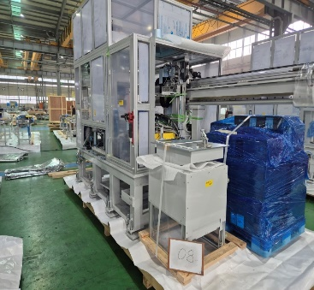 | 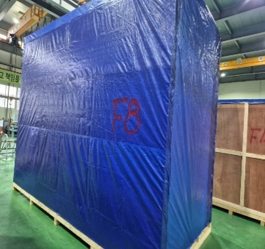
43 | TMED-II motor post process, +150,000 | OP10 | Varnish application #1 | WIA-FINE-033 | A nozzle-type system for applying varnish solution onto the product. | · Electricty : AC 480V 60Hz 3-phase · Control : DC 24V (AC120V) | EA | 1 | 135,000 | 135,000 | 3,888 | 4,860 | 7,750 | 1,800 | 3,100 | 43.245 | 8479.89 | KOREA | HYUNDAI WIA | Wooden | 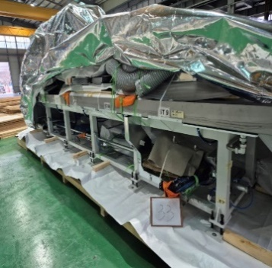 | 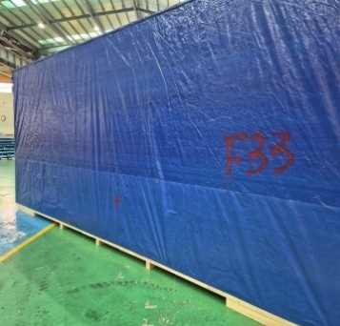 | 40FR | HMMU7508360 | - | 43 | 3
 | TMED-II motor post process, +150,000 |  | Control Panels #1~#4 | WIA-FINE-112 | A control panel with a stand for operating the equipment. | · Electricty : AC 480V 60Hz 3-phase · Control : DC 24V (AC120V) | EA | 4 | 28,000 | 112,000 | 2,800 | 3,500 | 3,300 | 2,600 | 3,050 | 26.169 | 8479.89 | KOREA | HYUNDAI WIA | Wooden | 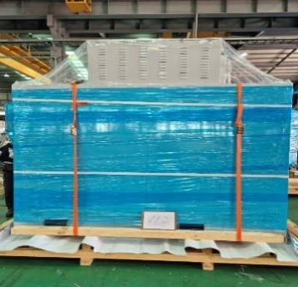 | 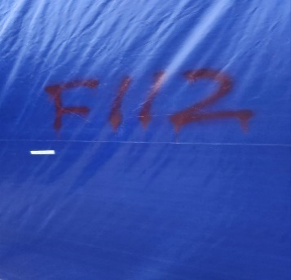
 |  |  |  | 6 Boxes |  |  | EA | 9 |  | 687,000 | 22,224 | 27,780 |  |  |  | 242.266 |  |  |  |  |  |  | 3
END | END | END | END | END | END | END | END | END | END | END | END | END | END | END | END | END | END | END | END | END | END | END | END | END | END | END | END
 |  |  |  |  |  |  |  |  |  |  |  |  |  |  |  |  |  |  |  |  |  | 40HC | 0 |  |  | 1st | 0
 |  |  |  |  |  |  |  |  |  |  |  |  |  | - |  |  |  |  |  |  |  | 40FR | 3 |  |  | 2nd | 0
 |  |  |  |  |  |  |  |  |  |  |  |  |  |  |  |  |  |  |  |  |  |  |  |  |  | 3rd | 3
 |  |  |  |  |  |  |  |  |  |  |  | - |  |  |  |  |  |  |  |  |  |  |  |  |  | 4th | 0

Machine PHOTO
TMED-II motor post process, +150,000 |  |  |  |  |  |  | 2026-04-06

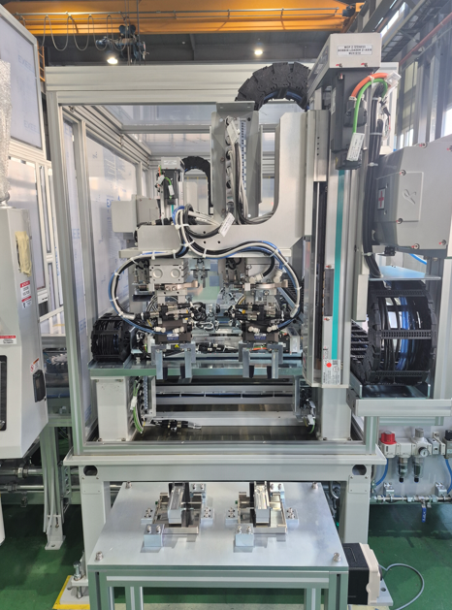 | 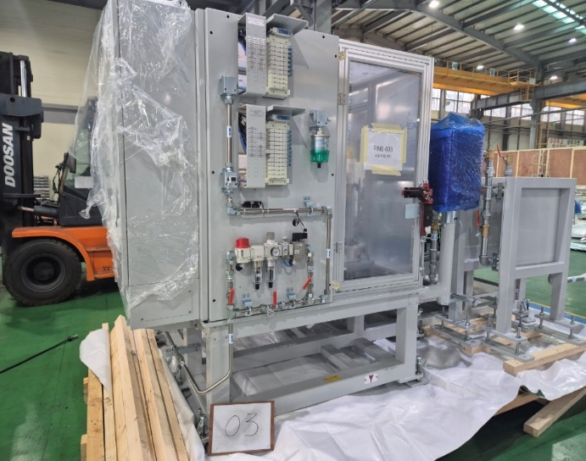 | 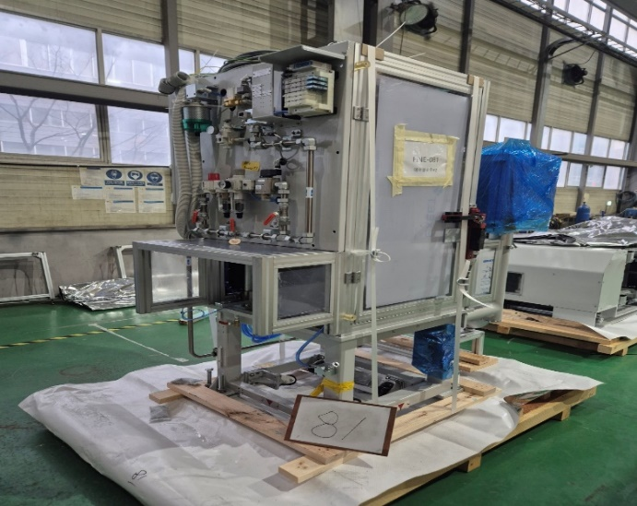 | 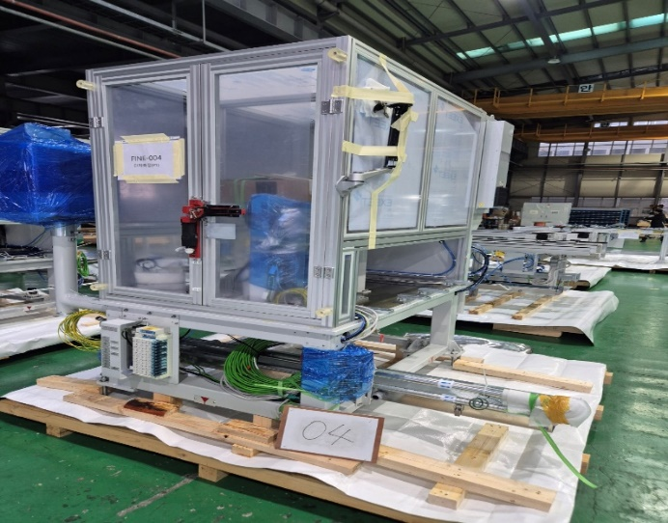 | 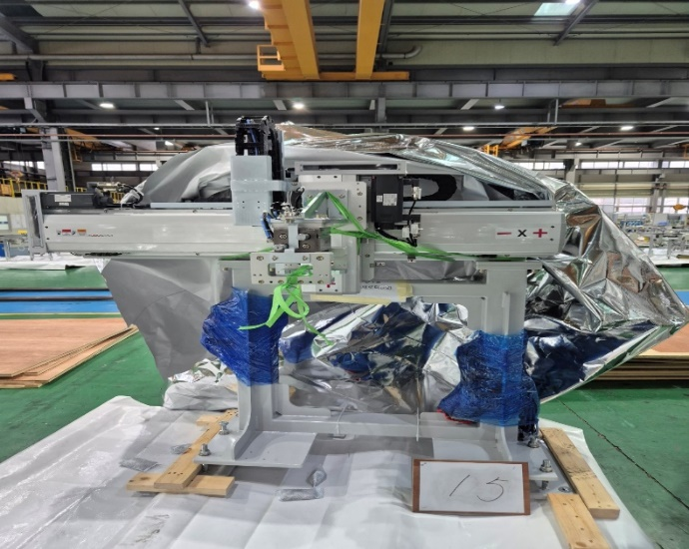 | 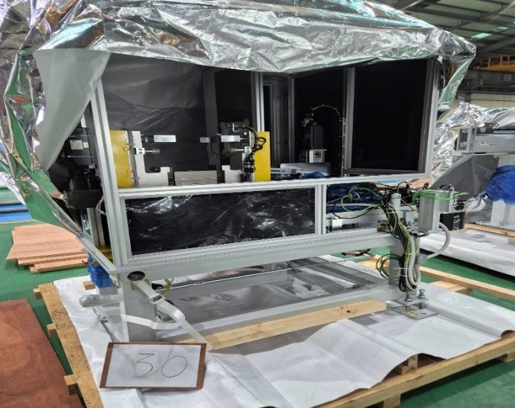 | 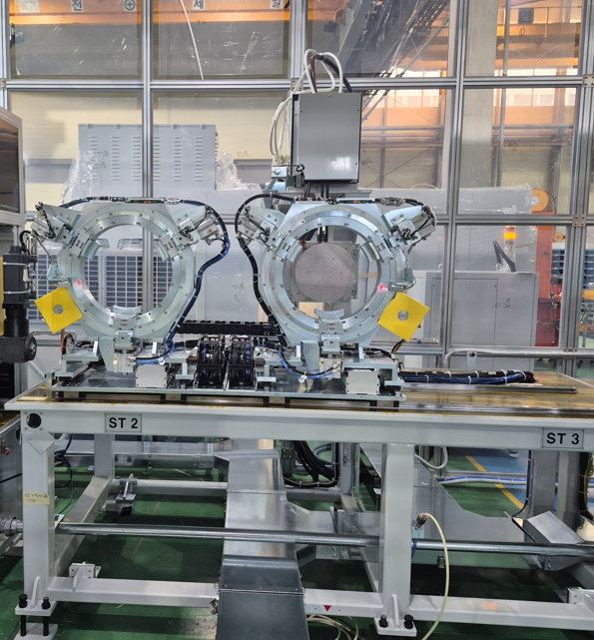
Bobbin alignment(보빈정렬) | Supporting &Hot Pressing(서포터링 열간압입) | Airblow(냉각에어블로) | Terminal measurement(단차측정) | Process connection reloade(이재로더) | Marking machine(마킹기) | Preheating the varnish(바니쉬 예열)

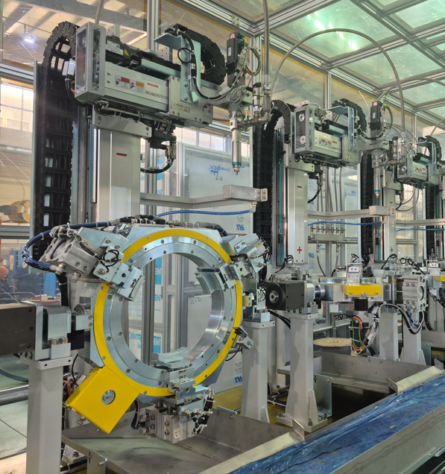 | 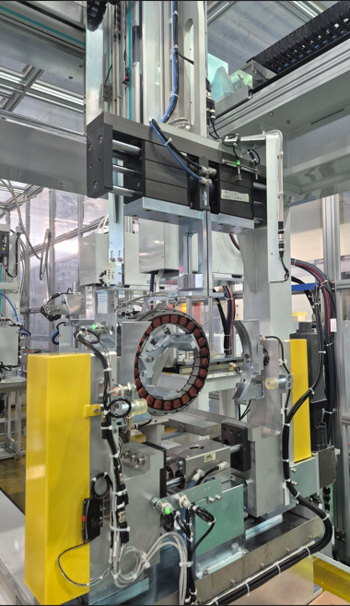 | 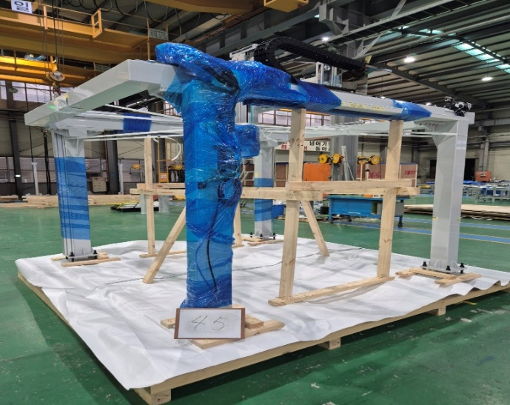 | 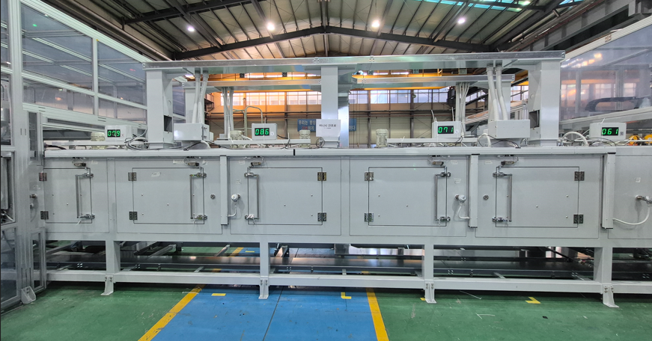 | 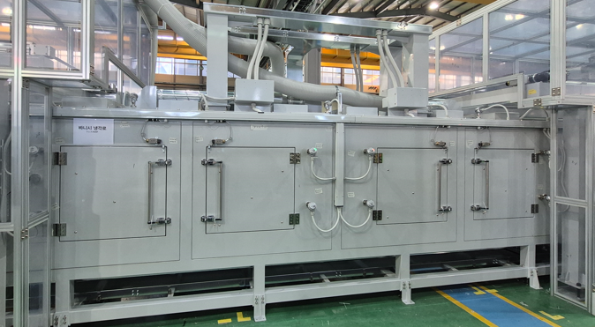 | 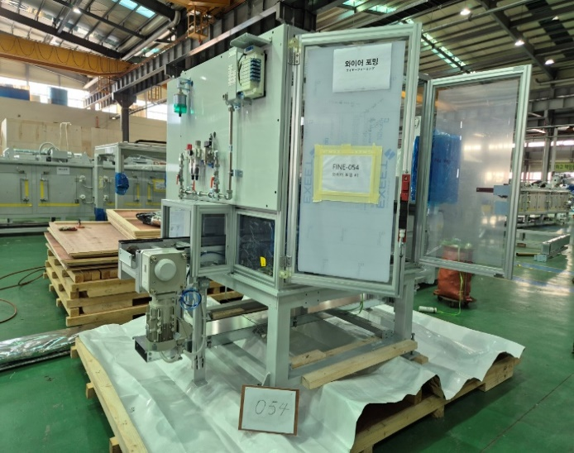 | 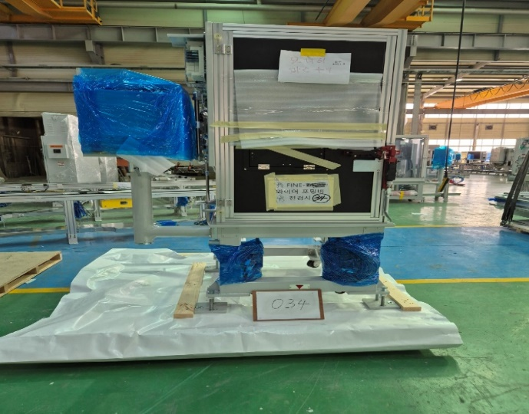
Varnish application #1(바니쉬 도포) | Varnish curing (바니쉬 경화) | Autoloader (오토로더) | Varnish drying oven (바니쉬 건조로) | Varnish cooling furnace (바니쉬 냉각로) | Wire Forming (와이어포밍) | Wireforming Vision Inspection(와이어 포밍 비젼검사)

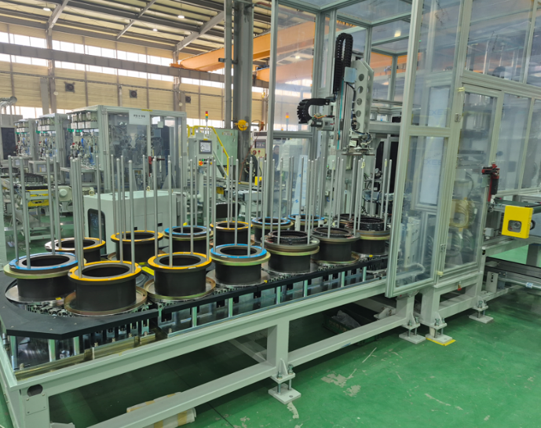 | 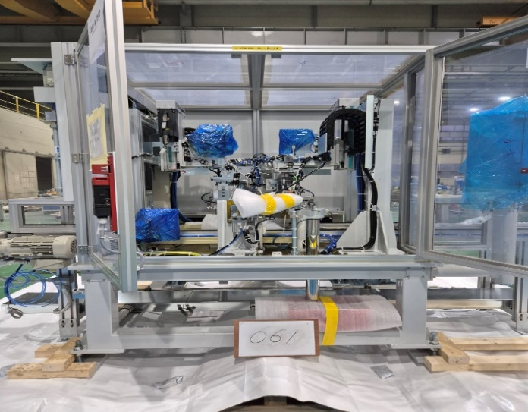 | 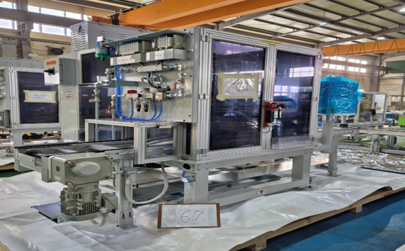 | 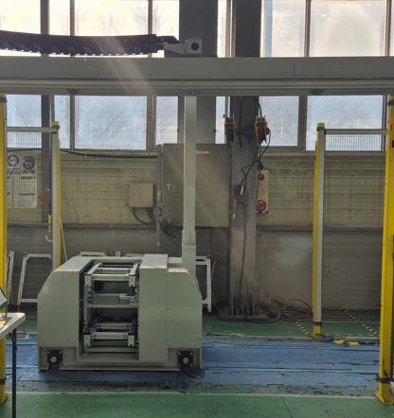 | 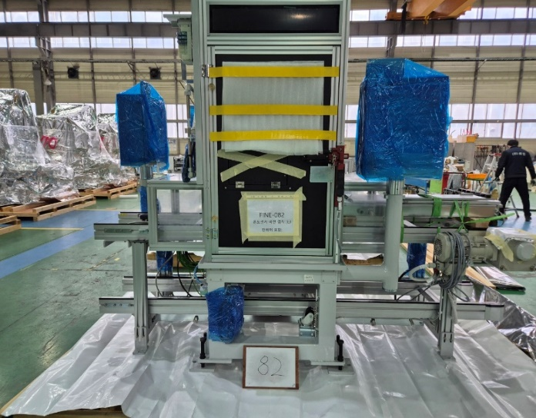 | 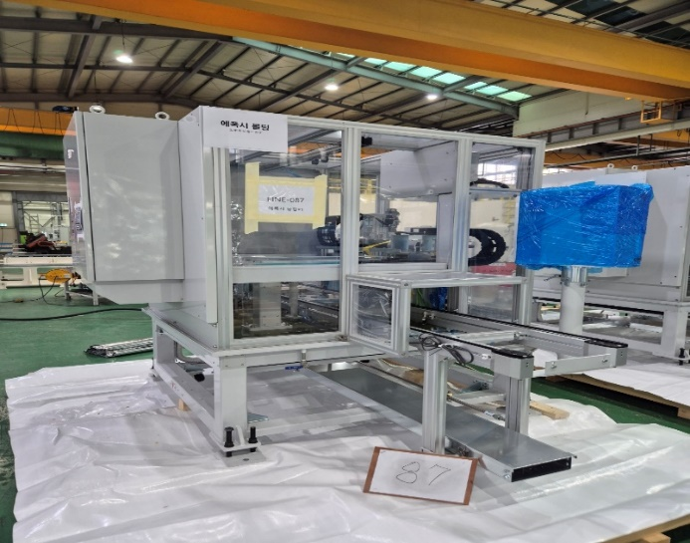 | 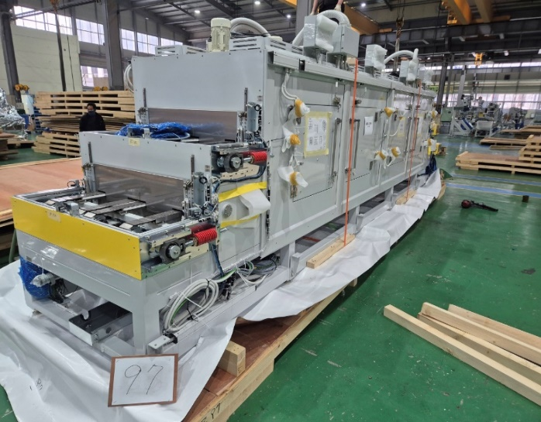
Terminal Assembly (터미널 조립 & 검사) | Caulking & Cutting (코팅 & 컷팅) | Fusing (퓨징검사) | Traverse(트래버스) | Temperature sensor vision inspection (온도센서 조립 비젼검사) | Epoxy Molding(에폭시 몰딩) | Epoxy drying furnace(에폭시 경화로)

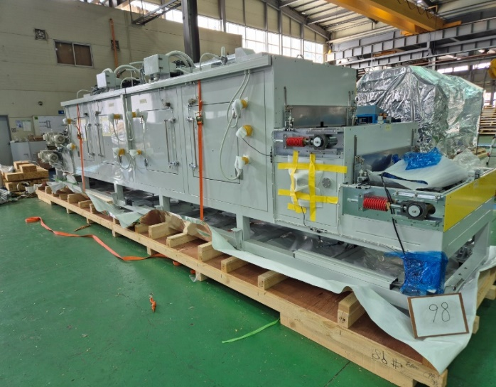 | 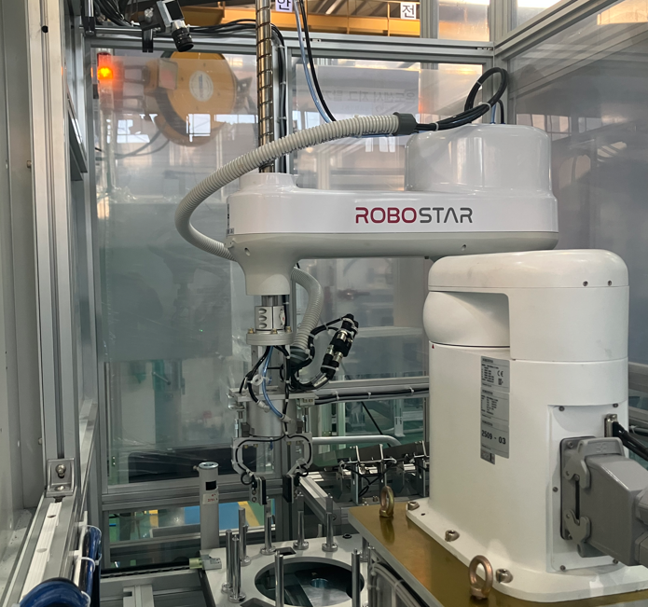 | 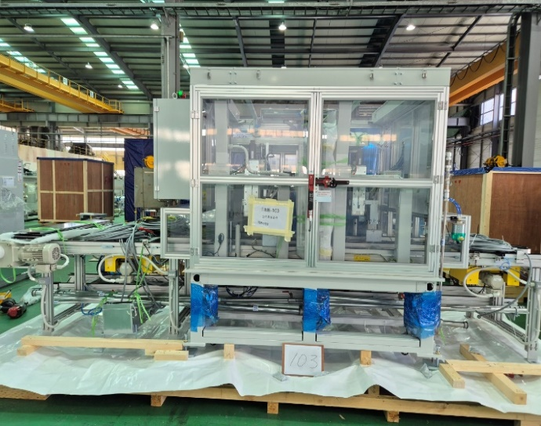 | 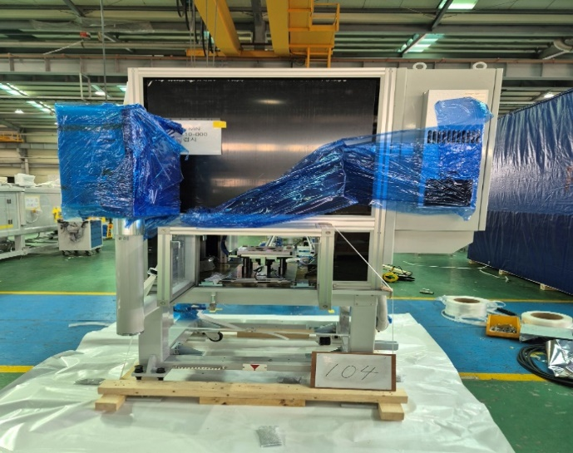 | 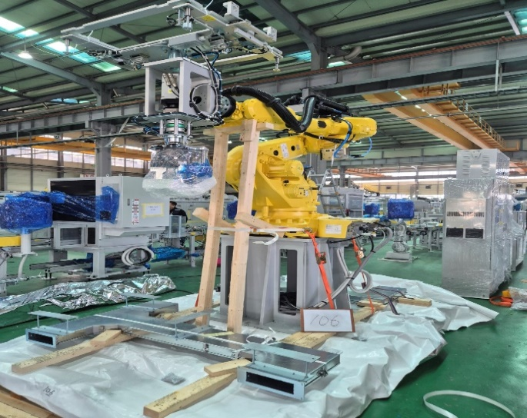 | 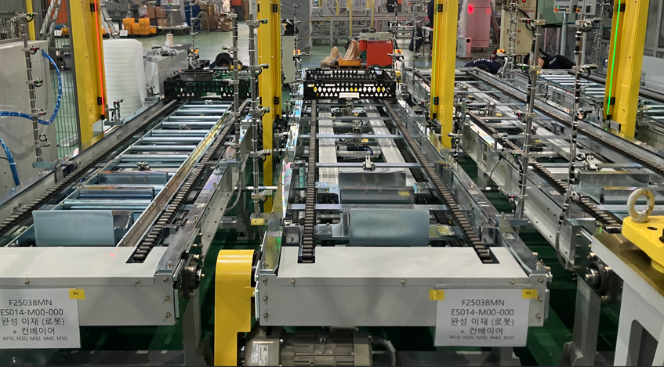
Epoxy cooling furnace(에폭시 냉각로) | Jig removal robot(온도센서 지그탈거) | 전기특성(Electrical characteristics test) | 완성검사(Completion inspection) | multi-joint robot(완성이재) | Finished Pallet Conveyor(완성적재 컨베어)

