PACKING DETAIL
ITEM : TMED-II motor post process, +150,000
Container No. | Line Name | Work Station | Facility Name | Package No. |  |  | Qty | Unit Price | Total USD | Net Weight (Kg) | Gross Weight (Kg) | Gross Size(m) |  |  | Measure. ( M³) |  |  |  |  | Pictures(packing) |  | Container Specifications | Container No. | Seal No. | Container No. | CLP
 |  |  |  |  | SPECIFIC USE | Category |  |  |  |  |  | L | W | H |  | HS code | Country of origin | Brand | Packaging type | before | after
5 | TMED-II motor post process, +150,000 |  | Conveyor B1 (P1) Conveyor C1 (process connection) | WIA-FINE-016 | A motor-driven conveyor used to transfer products between processes. | SET | 1 | 10,000 | 2,242,600 | 1,136 | 1,420 | 8,000 | 2,000 | 1,550 | 24.800 | 8479.89 | KOREA | HYUNDAI WIA | Wooden | 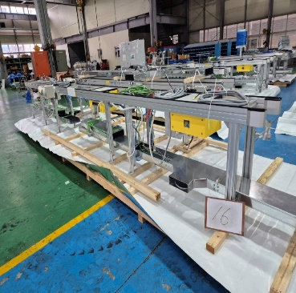 | 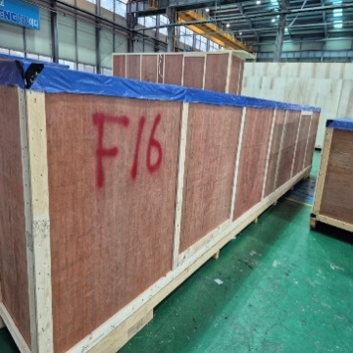 | 40HC | TRHU7581544 | FJ24858718 | 5 | 2
 | TMED-II motor post process, +150,000 |  | Air conditioner (varnish, epoxy) | WIA-FINE-052 | An air conditioning unit that provides cooled air to the varnish and epoxy cooling chambers. |  |  | 7,500 |  | 656 | 820 | 1,750 | 1,900 | 1,950 | 6.484 | 8479.89 | KOREA | HYUNDAI WIA | Wooden | 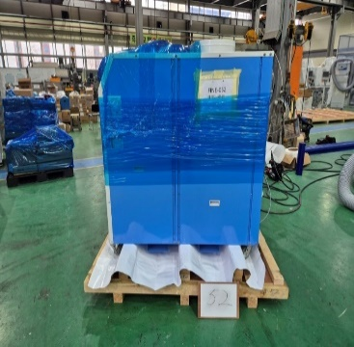 | 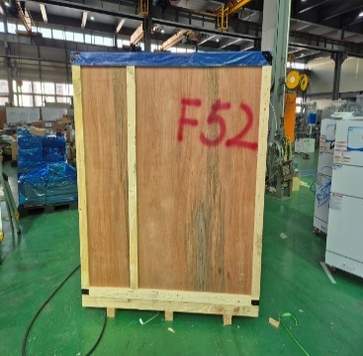
 | TMED-II motor post process, +150,000 |  | Control panel stand | WIA-FINE-117 | A control panel with a stand for operating the equipment. |  |  | 8,300 |  | 640 | 800 | 1,450 | 1,900 | 2,200 | 6.061 | 8479.89 | KOREA | HYUNDAI WIA | Wooden | 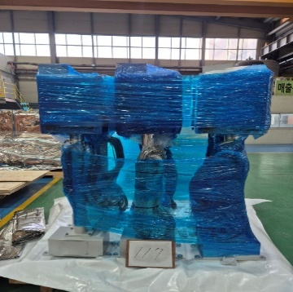 | 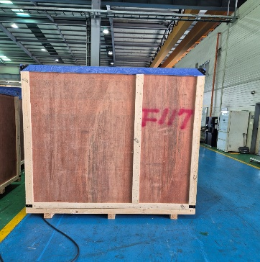
9 | TMED-II motor post process, +150,000 |  | Conveyor D26 Conveyor D1 | WIA-FINE-056 | A motor-driven conveyor used to transfer products between processes. |  |  | 9,500 |  | 1,312 | 1,640 | 7,000 | 2,000 | 1,550 | 21.700 | 8479.89 | KOREA | HYUNDAI WIA | Wooden | 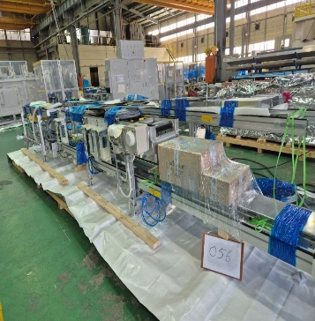 | 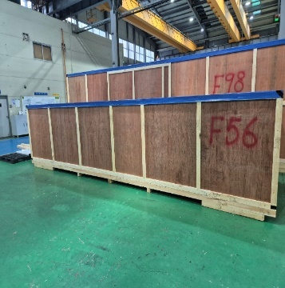 | 40HC | MSDU6461674 | FJ24858722 | 9 | 2
 | TMED-II motor post process, +150,000 |  | Autoloader Fence #2 (#4,#5,#6) | WIA-FINE-096 | A safety enclosure designed to protect the equipment and ensure operator safety. |  |  | 4,000 |  | 1,904 | 2,380 | 3,900 | 2,300 | 2,350 | 21.080 | 8479.89 | KOREA | HYUNDAI WIA | Wooden | 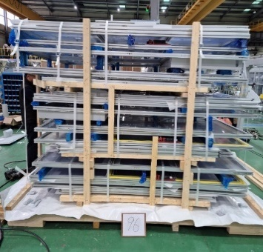 | 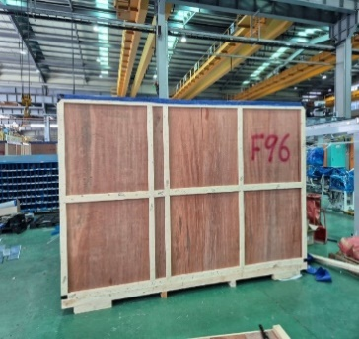
13 | TMED-II motor post process, +150,000 |  | Conveyor C2 (process connection) Conveyor C5 (process connection) | WIA-FINE-024 | A motor-driven conveyor used to transfer products between processes. |  |  | 8,700 |  | 944 | 1,180 | 5,750 | 2,000 | 1,550 | 17.825 | 8479.89 | KOREA | HYUNDAI WIA | Wooden | 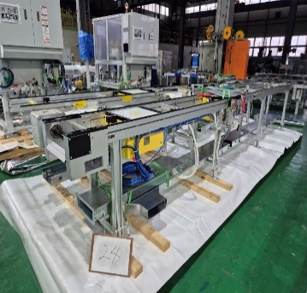 | 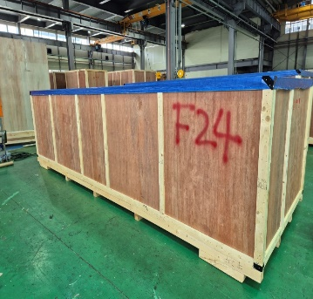 | 40HC | FSCU8338966 | FJ24858659 | 13 | 2
 | TMED-II motor post process, +150,000 |  | Wireforming Vision Inspection | WIA-FINE-034 | An automated system that uses a vision camera to inspect the wire forming condition of the product. |  |  | 38,000 |  | 720 | 900 | 1,800 | 1,750 | 2,500 | 7.875 | 8479.89 | KOREA | HYUNDAI WIA | Wooden | 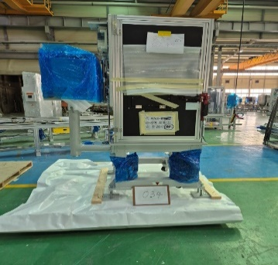 | 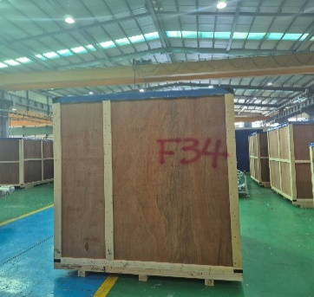
 | TMED-II motor post process, +150,000 |  | Vision PC | WIA-FINE-118 | An industrial computer used for operating the vision camera. |  |  | 4,000 |  | 784 | 980 | 2,800 | 1,750 | 1,500 | 7.350 | 8479.89 | KOREA | HYUNDAI WIA | Wooden | 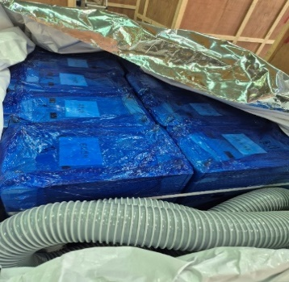 | 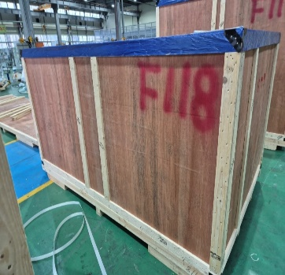
14 | TMED-II motor post process, +150,000 | OP05 | Preheating the varnish | WIA-FINE-032 | A device that heats the product using a high-frequency heating system. |  |  | 96,000 |  | 1,552 | 1,940 | 3,100 | 1,750 | 2,550 | 13.834 | 8479.89 | KOREA | HYUNDAI WIA | Wooden | 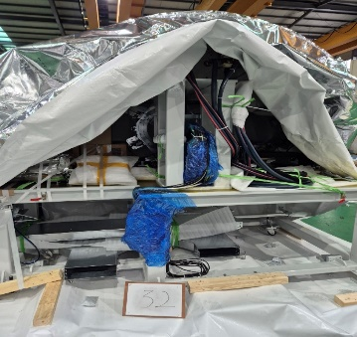 | 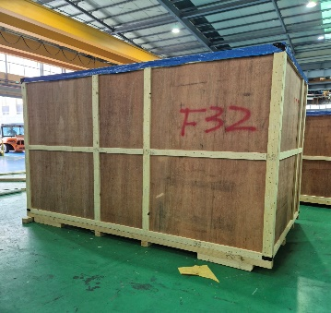 | 40HC | UETU6253266 | FJ24846753 | 14 | 2
 | TMED-II motor post process, +150,000 |  | Conveyor D5 Conveyor D7 | WIA-FINE-074 | A motor-driven conveyor used to transfer products between processes. |  |  | 8,500 |  | 1,072 | 1,340 | 5,600 | 2,000 | 2,050 | 22.960 | 8479.89 | KOREA | HYUNDAI WIA | Wooden | 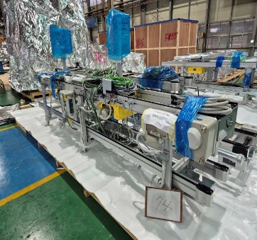 | 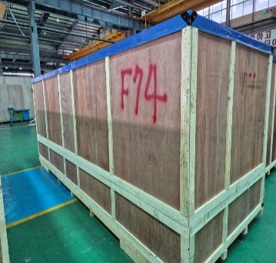
 | TMED-II motor post process, +150,000 |  | RTB Panel #1 | WIA-FINE-115 | An interface panel designed to organize wiring signals and connect them to the main control panel. |  |  | 4,800 |  | 1,232 | 1,540 | 2,700 | 1,700 | 1,950 | 8.951 | 8479.89 | KOREA | HYUNDAI WIA | Wooden | 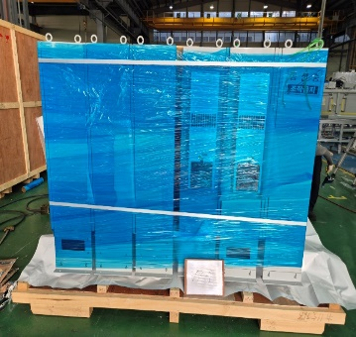 | 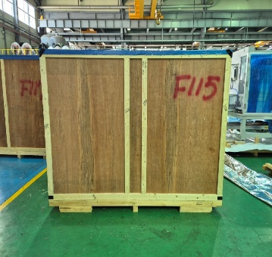
16 | TMED-II motor post process, +150,000 |  | Finished Pallet Conveyor #1 | WIA-FINE-107 | A motor-driven conveyor used to transfer products between processes. |  |  | 4,000 |  | 1,408 | 1,760 | 5,600 | 1,650 | 1,810 | 16.724 | 8479.89 | KOREA | HYUNDAI WIA | Wooden | 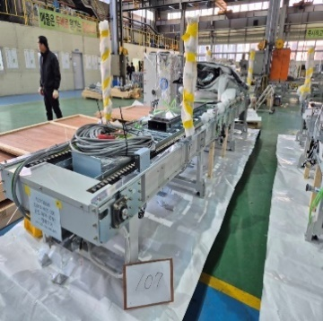 | 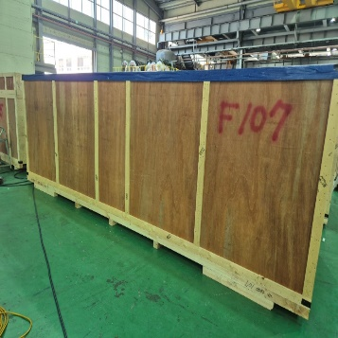 | 40HC | MEDU7424852 | FJ24858731 | 16 | 2
 | TMED-II motor post process, +150,000 |  | Conveyor B2 (P1) Conveyor C10 (process connection) | WIA-FINE-018 | A motor-driven conveyor used to transfer products between processes. |  |  | 5,200 |  | 656 | 820 | 3,300 | 2,000 | 1,550 | 10.230 | 8479.89 | KOREA | HYUNDAI WIA | Wooden | 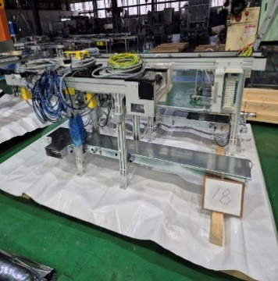 | 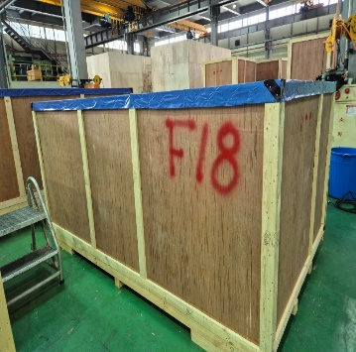
 | TMED-II motor post process, +150,000 |  | Completed loading safety fence | WIA-FINE-111 | A safety enclosure designed to protect the equipment and ensure operator safety. |  |  | 7,800 |  | 544 | 680 | 2,600 | 1,900 | 2,150 | 10.621 | 8479.89 | KOREA | HYUNDAI WIA | Wooden | 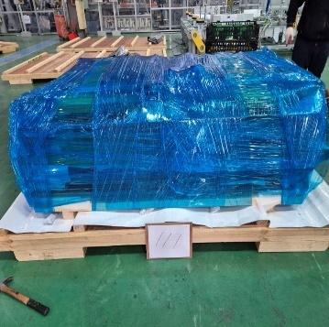 | 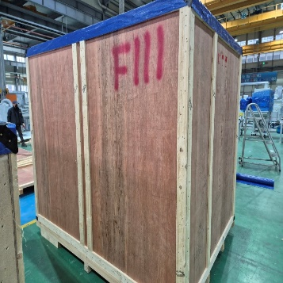
17 | TMED-II motor post process, +150,000 |  | Finished Pallet Conveyor #2 | WIA-FINE-108 | A motor-driven conveyor used to transfer products between processes. |  |  | 4,000 |  | 1,280 | 1,600 | 5,600 | 1,650 | 1,810 | 16.724 | 8479.89 | KOREA | HYUNDAI WIA | Wooden | 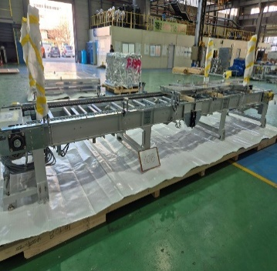 | 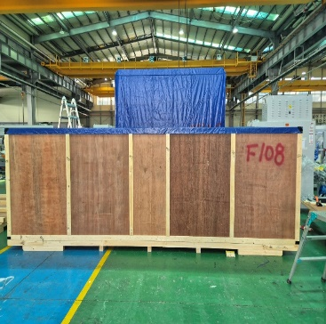 | 40HC | UETU6262150 | FJ24858735 | 17 | 2
 | TMED-II motor post process, +150,000 |  | Varnish-coated tank cover | WIA-FINE-039 | A safety enclosure designed to protect the equipment and ensure operator safety. |  |  | 5,000 |  | 384 | 480 | 3,300 | 1,400 | 2,550 | 11.781 | 8479.89 | KOREA | HYUNDAI WIA | Wooden | 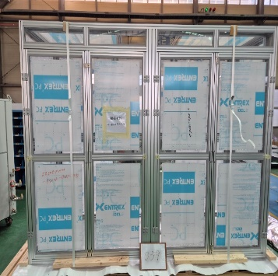 | 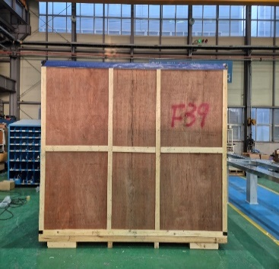
 | TMED-II motor post process, +150,000 |  | Now Loader Fence (P1/P2) | WIA-FINE-006 | A safety enclosure designed to protect the equipment and ensure operator safety. |  |  | 7,500 |  | 496 | 620 | 2,500 | 2,300 | 1,850 | 10.638 | 8479.89 | KOREA | HYUNDAI WIA | Wooden | 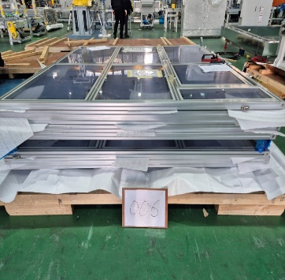 | 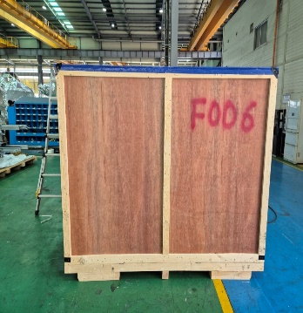
18 | TMED-II motor post process, +150,000 |  | Finished Pallet Conveyor #3 | WIA-FINE-109 | A motor-driven conveyor used to transfer products between processes. |  |  | 4,000 |  | 1,264 | 1,580 | 5,600 | 1,650 | 1,810 | 16.724 | 8479.89 | KOREA | HYUNDAI WIA | Wooden | 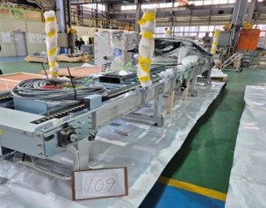 | 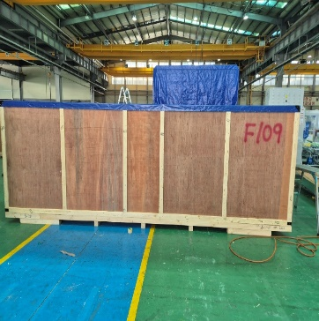 | 40HC | MSNU6574372 | FJ24858714 | 18 | 2
 | TMED-II motor post process, +150,000 |  | Varnish drying, cooling upper duct | WIA-FINE-051 | A steel duct designed for organizing and protecting electrical wiring while ensuring safety. (Dedicated for varnish heat chamber.) |  |  | 4,800 |  | 512 | 640 | 3,300 | 2,300 | 2,350 | 17.837 | 8479.89 | KOREA | HYUNDAI WIA | Wooden | 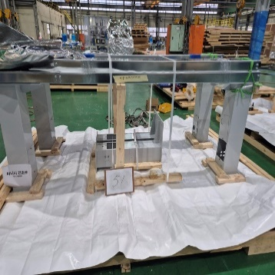 | 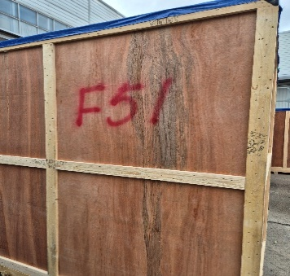
 | TMED-II motor post process, +150,000 |  | Chiller #2 (Varnish) | WIA-FINE-040 | A cooling system designed to remove heat from the high-frequency heating equipment and maintain a constant temperature. |  |  | 7,000 |  | 832 | 1,040 | 2,400 | 2,200 | 2,250 | 11.880 | 8479.89 | KOREA | HYUNDAI WIA | Wooden | 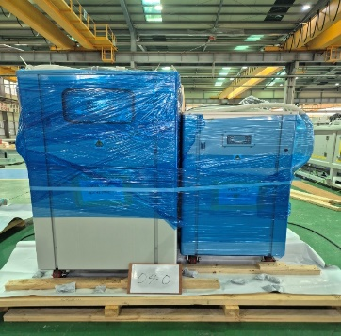 | 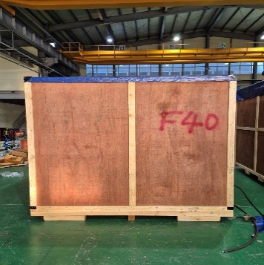
20 | TMED-II motor post process, +150,000 |  | Conveyor A1 (P2) Conveyor A2 (P2) | WIA-FINE-013 | A motor-driven conveyor used to transfer products between processes. |  |  | 8,000 |  | 880 | 1,100 | 5,300 | 2,000 | 1,750 | 18.550 | 8479.89 | KOREA | HYUNDAI WIA | Wooden | 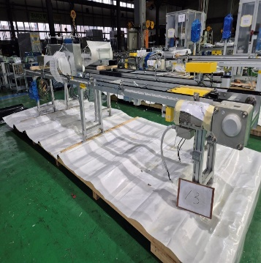 | 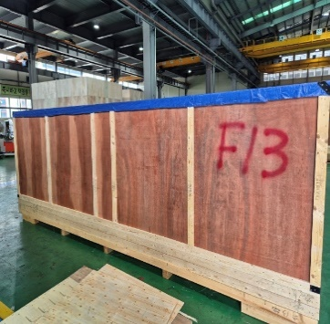 | 40HC | TXGU6993084 | FJ24954276 | 20 | 2
 | TMED-II motor post process, +150,000 | OP50 | Bobbin alignment (P1) | WIA-FINE-001 | An automated system designed to arrange individually supplied winding bobbins into a circular stator configuration. |  |  | 7,000 |  | 2,032 | 2,540 | 3,250 | 2,300 | 2,550 | 19.061 | 8479.89 | KOREA | HYUNDAI WIA | Wooden | 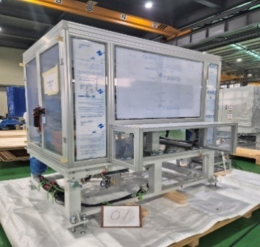 | 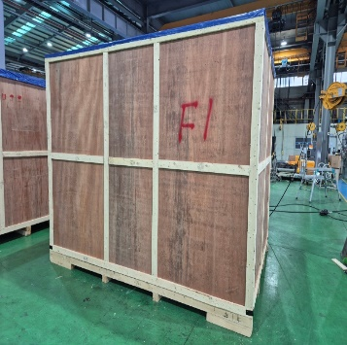
 | TMED-II motor post process, +150,000 | OP71 | Temperature sensor vision inspection (including E3 conveyor) | WIA-FINE-082 | An automated vision inspection system designed to inspect the assembly condition of the product. |  |  | 107,000 |  | 1,040 | 1,300 | 3,100 | 1,900 | 2,450 | 14.431 | 8479.89 | KOREA | HYUNDAI WIA | Wooden | 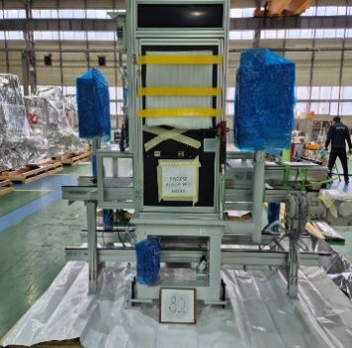 | 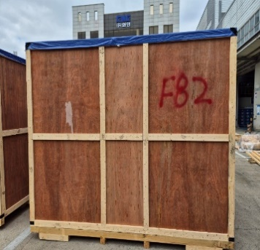
22 | TMED-II motor post process, +150,000 |  | Conveyor B3 (P1) Conveyor B4 (P1) | WIA-FINE-019 | A motor-driven conveyor used to transfer products between processes. |  |  | 6,300 |  | 800 | 1,000 | 5,300 | 2,000 | 1,750 | 18.550 | 8479.89 | KOREA | HYUNDAI WIA | Wooden | 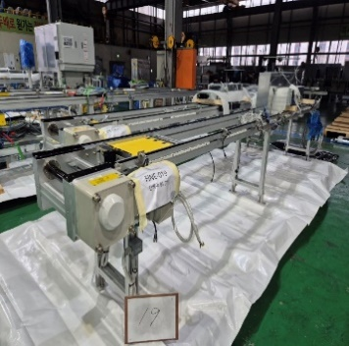 | 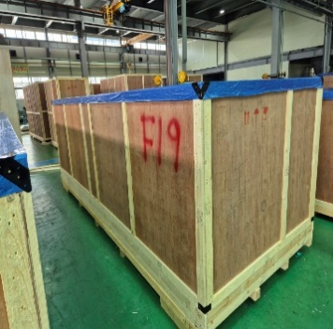 | 40HC | TGBU7989949 | FJ24858660 | 22 | 2
 | TMED-II motor post process, +150,000 |  | Conveyor D25 | WIA-FINE-134 | A motor-driven conveyor used to transfer products between processes. |  |  | 3,200 |  | 336 | 420 | 3,250 | 1,100 | 1,550 | 5.541 | 8479.89 | KOREA | HYUNDAI WIA | Wooden | 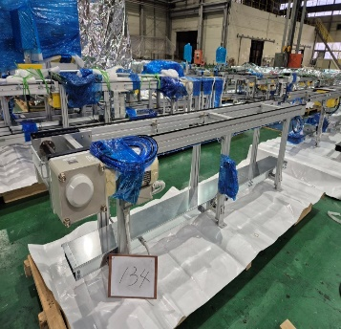 | 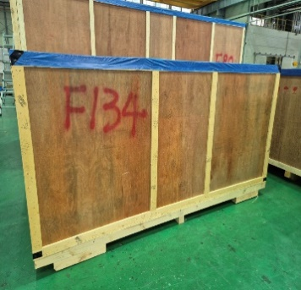
 | TMED-II motor post process, +150,000 |  | Control Panel #13 | WIA-FINE-123 | A control panel designed to supply electrical power and control signal processing for each part of the equipment. |  |  | 28,000 |  | 576 | 720 | 3,100 | 1,700 | 2,450 | 12.912 | 8479.89 | KOREA | HYUNDAI WIA | Wooden
24 | TMED-II motor post process, +150,000 |  | Conveyor D27 Conveyor D27-1 | WIA-FINE-075 | A motor-driven conveyor used to transfer products between processes. |  |  | 6,900 |  | 672 | 840 | 4,900 | 2,000 | 1,550 | 15.190 | 8479.89 | KOREA | HYUNDAI WIA | Wooden |  |  | 40HC | TCLU9156013 | FJ24858738 | 24 | 2
 | TMED-II motor post process, +150,000 |  | Conveyor chain | WIA-FINE-137 | A conveyor chain designed to transport products between processes. |  |  | 14,600 |  | 2,336 | 2,920 | 2,300 | 1,500 | 1,400 | 4.830 | 8479.89 | KOREA | HYUNDAI WIA | Wooden
 | TMED-II motor post process, +150,000 |  | Varnish Cooling Upper Duct | WIA-FINE-099 | A steel duct designed for organizing and protecting electrical wiring while ensuring safety. |  |  | 4,800 |  | 720 | 900 | 3,300 | 2,300 | 2,350 | 17.837 | 8479.89 | KOREA | HYUNDAI WIA | Wooden
25 | TMED-II motor post process, +150,000 |  | Conveyor C12 (process connection) Conveyor C13 (process connection) | WIA-FINE-028 | A motor-driven conveyor used to transfer products between processes. |  |  | 6,800 |  | 768 | 960 | 4,700 | 2,000 | 1,550 | 14.570 | 8479.89 | KOREA | HYUNDAI WIA | Wooden |  |  | 40HC | MSMU6416054 | FJ24858794 | 25 | 2
 | TMED-II motor post process, +150,000 |  | Overhead Stairs #1 | WIA-FINE-122 | A staircase designed to safely cross over the equipment structure. |  |  | 3,500 |  | 736 | 920 | 3,100 | 1,700 | 2,450 | 12.912 | 8479.89 | KOREA | HYUNDAI WIA | Wooden
 | TMED-II motor post process, +150,000 |  | Conveyor E14 Conveyor E15 | WIA-FINE-085 | A motor-driven conveyor used to transfer products between processes. |  |  | 4,800 |  | 672 | 840 | 3,800 | 2,000 | 1,550 | 11.780 | 8479.89 | KOREA | HYUNDAI WIA | Wooden
27 | TMED-II motor post process, +150,000 | OP60-1 | Supporting (P1) | WIA-FINE-003 | A machine designed for hot press-fitting an outer ring onto the product. |  |  | 115,000 |  | 2,912 | 3,640 | 4,300 | 2,200 | 2,500 | 23.650 | 8479.89 | KOREA | HYUNDAI WIA | Wooden |  |  | 40HC | DFSU7127388 | FJ24858724 | 27 | 2
 | TMED-II motor post process, +150,000 |  | NG replacement 1-1 | WIA-FINE-119 | A manually operated cart designed for product transfer. |  |  | 2,500 |  | 944 | 1,180 | 3,900 | 2,300 | 1,350 | 12.110 | 8479.89 | KOREA | HYUNDAI WIA | Wooden
 | TMED-II motor post process, +150,000 |  | Conveyor E7 Conveyor D6-1 | WIA-FINE-073 | A motor-driven conveyor used to transfer products between processes. |  |  | 6,000 |  | 576 | 720 | 3,400 | 2,000 | 1,550 | 10.540 | 8479.89 | KOREA | HYUNDAI WIA | Wooden
29 | TMED-II motor post process, +150,000 |  | Overhead Stairs #4 | WIA-FINE-125 | A staircase designed to safely cross over the equipment structure. |  |  | 3,500 |  | 1,264 | 1,580 | 4,200 | 2,000 | 2,350 | 19.740 | 8479.89 | KOREA | HYUNDAI WIA | Wooden |  |  | 40HC | MSNU7179053 | FJ27354783 | 29 | 2
 | TMED-II motor post process, +150,000 |  | Profile Fence #3 (Varnish) | WIA-FINE-044 | A safety enclosure designed to protect the equipment and ensure operator safety. |  |  | 9,500 |  | 832 | 1,040 | 3,900 | 2,300 | 2,350 | 21.080 | 8479.89 | KOREA | HYUNDAI WIA | Wooden
 | TMED-II motor post process, +150,000 |  | Traverse Rail & Fence | WIA-FINE-077 | A rail used for material transport systems. |  |  | 6,800 |  | 736 | 920 | 3,500 | 1,700 | 1,950 | 11.603 | 8479.89 | KOREA | HYUNDAI WIA | Wooden
30 | TMED-II motor post process, +150,000 |  | Overhead Stairs #5 | WIA-FINE-126 | A staircase designed to safely cross over the equipment structure. |  |  | 3,500 |  | 1,264 | 1,580 | 4,200 | 2,000 | 2,350 | 19.740 | 8479.89 | KOREA | HYUNDAI WIA | Wooden |  |  | 40HC | MSMU7751720 | FJ27354707 | 30 | 2
 | TMED-II motor post process, +150,000 | OP51 | Caulking & Cutting #1 | WIA-FINE-061 | A protective fence that restricts operator access to ensure safety. |  |  | 75,000 |  | 1,760 | 2,200 | 3,400 | 2,250 | 2,500 | 19.125 | 8479.89 | KOREA | HYUNDAI WIA | Wooden
 | TMED-II motor post process, +150,000 |  | Chiller #1 (P1,P2) | WIA-FINE-020 | A cooling system designed to remove heat from the high-frequency heating equipment and maintain a constant temperature. |  |  | 7,000 |  | 752 | 940 | 1,900 | 2,000 | 2,000 | 7.600 | 8479.89 | KOREA | HYUNDAI WIA | Wooden
 | TMED-II motor post process, +150,000 | OP130 | Robot controller, completed elevator | WIA-FINE-105 | A dedicated control unit for multi-axis robot control. & A pallet elevator transfer system used to bridge height differences between processes. |  |  | 8,000 |  | 528 | 660 | 1,850 | 2,000 | 1,650 | 6.105 | 8479.89 | KOREA | HYUNDAI WIA | Wooden
32 | TMED-II motor post process, +150,000 |  | Overhead Stairs #6 | WIA-FINE-127 | 'A staircase designed to safely cross over the equipment structure. |  |  | 3,500 |  | 1,264 | 1,580 | 4,200 | 2,000 | 2,350 | 19.740 | 8479.89 | KOREA | HYUNDAI WIA | Wooden |  |  | 40HC | MSMU6018940 | FJ27354710 | 32 | 2
 | TMED-II motor post process, +150,000 |  | Epoxy Tank #1 | WIA-FINE-091 | A storage tank for epoxy solution used in product coating. |  |  | 95,000 |  | 656 | 820 | 1,900 | 2,100 | 2,500 | 9.975 | 8479.89 | KOREA | HYUNDAI WIA | Wooden
 | TMED-II motor post process, +150,000 | OP54 | Caulking & Cutting Vision Inspection | WIA-FINE-066 | A vision inspection system for checking the assembly condition of the product. |  |  | 68,000 |  | 800 | 1,000 | 1,800 | 2,100 | 2,500 | 9.450 | 8479.89 | KOREA | HYUNDAI WIA | Wooden
 | TMED-II motor post process, +150,000 | OP15 | Varnish curing | WIA-FINE-035 | A high-frequency heating system for heating the product. |  |  | 89,000 |  | 2,448 | 3,060 | 3,600 | 2,300 | 2,550 | 21.114 | 8479.89 | KOREA | HYUNDAI WIA | Wooden
33 | TMED-II motor post process, +150,000 | OP70 | Process connection reloader (P2) | WIA-FINE-015 | A loading system for transferring products between processes. |  |  | 40,000 |  | 512 | 640 | 1,600 | 2,000 | 2,150 | 6.880 | 8479.89 | KOREA | HYUNDAI WIA | Wooden |  |  | 40HC | CAIU7357270 | FJ24858701 | 33 | 2
 | TMED-II motor post process, +150,000 | OP0 | Marking machine | WIA-FINE-030 | A laser marking system for applying codes on the exterior of the product. |  |  | 67,000 |  | 928 | 1,160 | 1,950 | 2,250 | 2,500 | 10.969 | 8479.89 | KOREA | HYUNDAI WIA | Wooden
 | TMED-II motor post process, +150,000 | OP65 | Airblow #2 | WIA-FINE-081 | An air blowing system for removing foreign particles. |  |  | 58,000 |  | 656 | 820 | 1,450 | 2,000 | 2,450 | 7.105 | 8479.89 | KOREA | HYUNDAI WIA | Wooden
 | TMED-II motor post process, +150,000 | OP90 | Epoxy vision inspection | WIA-FINE-128 | An automated vision inspection system for checking product assembly condition. |  |  | 68,000 |  | 800 | 1,000 | 1,900 | 2,300 | 2,450 | 10.707 | 8479.89 | KOREA | HYUNDAI WIA | Wooden
 | TMED-II motor post process, +150,000 |  | Main pallet (Main 1-1) | WIA-FINE-132 | A jig designed to securely fix products and maintain positioning during transfer between processes. |  |  | 1,200 |  | 464 | 580 | 464 | 580 | 1,100 | 0.296 | 8479.89 | KOREA | HYUNDAI WIA | Wooden
 | TMED-II motor post process, +150,000 |  | Main palette (Main 1-2) | WIA-FINE-133 | A jig designed to securely fix products and maintain positioning during transfer between processes. |  |  | 1,200 |  | 432 | 540 | 1,450 | 2,050 | 1,100 | 3.270 | 8479.89 | KOREA | HYUNDAI WIA | Wooden
35 | TMED-II motor post process, +150,000 |  | Heat treatment high frequency (P1, P2) | WIA-FINE-021 | A controller designed to supply power and control the high-frequency heating system. |  |  | 89,000 |  | 480 | 600 | 1,300 | 1,450 | 2,100 | 3.959 | 8479.89 | KOREA | HYUNDAI WIA | Wooden |  |  | 40HC | FFAU1980279 | FJ27354616 | 35 | 2
 | TMED-II motor post process, +150,000 |  | Traverse | WIA-FINE-079 | A wheeled logistics system that transports products to the next process. |  |  | 33,000 |  | 672 | 840 | 1,400 | 1,800 | 1,500 | 3.780 | 8479.89 | KOREA | HYUNDAI WIA | Wooden
 | TMED-II motor post process, +150,000 |  | dust collector #1 | WIA-FINE-135 | A dust collector is used to remove dust, fine particles, and contaminants generated during the process in order to maintain a clean working environment and prevent equipment contamination. |  |  | 5,000 |  | 608 | 760 | 1,400 | 1,800 | 1,900 | 4.788 | 8479.89 | KOREA | HYUNDAI WIA | Wooden
 | TMED-II motor post process, +150,000 |  | Bobbin pallet (bobbin 1-2) | WIA-FINE-130 | A jig designed to securely fix products and maintain positioning during transfer between processes. |  |  | 3,300 |  | 528 | 660 | 1,450 | 1,850 | 380 | 1.019 | 8479.89 | KOREA | HYUNDAI WIA | Wooden
 | TMED-II motor post process, +150,000 |  | Electrical supplies | WIA-FINE-136 | Electrical accessories consisting of wires, connectors, switches, and other components. |  |  | 8,000 |  | 1,552 | 1,940 | 4,880 | 2,300 | 1,400 | 15.714 | 8479.89 | KOREA | HYUNDAI WIA | Wooden
...

