PACKING DETAIL
ITEM : TMED-II motor post process, +150,000
Container No. | Line Name | Work Station | Facility Name | Package No. |  | Description |  |  | Qty | Unit Price | Total USD | Net Weight (Kg) | Gross Weight (Kg) | Gross Size(m) |  |  | Measure. ( M³) |  |  |  |  | Pictures(packing) |  | Container Specifications | Container No. | Seal No. | Container No. | CLP
 |  |  |  |  | SPECIFIC USE | PERCENTAGES OF EACH COMPOMENT | CUURENT POWER AND TYPE OR CURRENT | Category |  |  |  |  |  | L | W | H |  | HS code | Country of origin | Brand | Packaging type | before | after
1 | TMED-II motor post process, +150,000 | OP20 | Varnish drying oven | WIA-FINE-049 | This system is an industrial heating furnace designed to convey stators via a pitch conveyor and cure the applied varnish through controlled heating. | · Steel : 60% · Stainless Steel : 20% · Aluminum : 15% · Rubber : 5% | · Electricty : AC 480V 60Hz 3-phase · Control : DC 24V (AC120V) | SET | 1 | 2,210,400 | 2,210,400 | 6,880 | 8,600 | 9,760 | 2,200 | 2,450 | 52.606 | 8479.89 | KOREA | HYUNDAI WIA | Wooden |  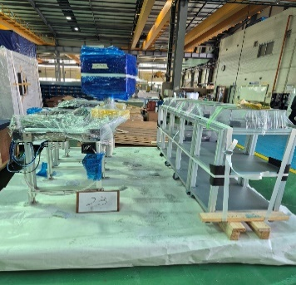 | 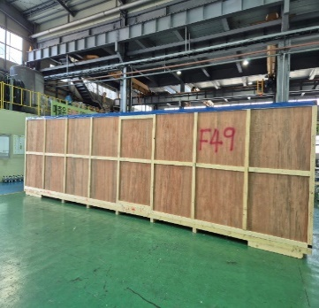 | 40HC | CMAU3900130 | M6478182 | 1 | 1
 | TMED-II motor post process, +150,000 |  | Bobbin Pallet (Bobbin 1-1) | WIA-FINE-129 | A pallet fixture used to fix and transport the winding bobbin safely between processes. | · Steel : 95% · Mc nylon : 5% | · Electricty : AC 480V 60Hz 3-phase · Control : DC 24V (AC120V) |  |  |  |  | 464 | 580 | 1,450 | 1,850 | 380 | 1.019 | 8479.89 | KOREA | HYUNDAI WIA | Wooden | 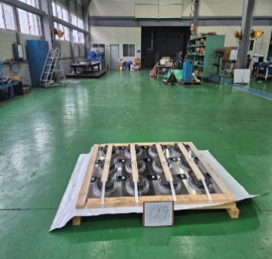 | 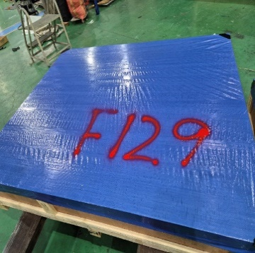
2 | TMED-II motor post process, +150,000 | OP105 | Epoxy cooling furnace | WIA-FINE-098 | This system is an industrial cooling furnace designed to transport stators via a pitch conveyor and cool the epoxy-cured stators for moisture removal and temperature stabilization. | · Steel : 60% · Stainless Steel : 20% · Aluminum : 15% · Rubber : 5% | · Electricty : AC 480V 60Hz 3-phase · Control : DC 24V (AC120V) |  |  |  |  | 5,552 | 6,940 | 8,800 | 2,000 | 2,550 | 44.880 | 8479.89 | KOREA | HYUNDAI WIA | Wooden | 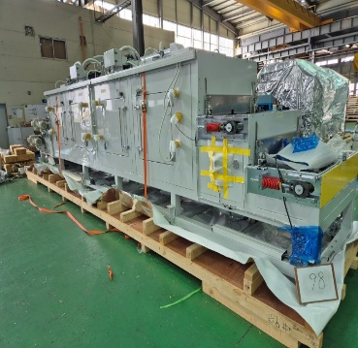 | 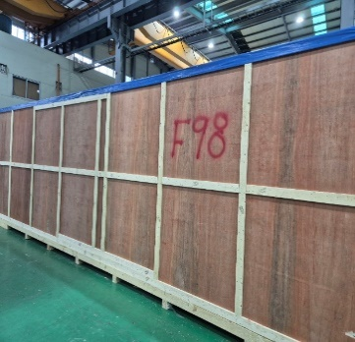 | 40HC | TXGU7238540 | M6476679 | 2 | 1
 | TMED-II motor post process, +150,000 |  | Input NG profile cover | WIA-FINE-022 | A safety enclosure designed to protect the equipment and ensure operator safety. | · Aluminum : 70% · Polycarbonate : 30% | Not Applicable |  |  |  |  | 272 | 340 | 2,700 | 1,850 | 2,050 | 10.240 | 8479.89 | KOREA | HYUNDAI WIA | Wooden | 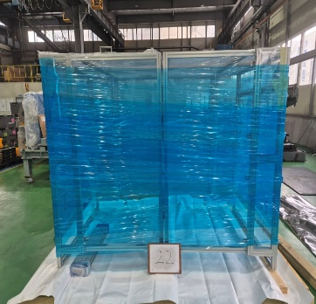 | 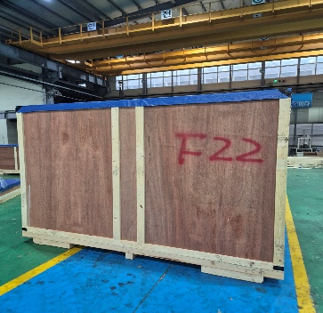
3 | TMED-II motor post process, +150,000 |  | Master Car & NG Conveyor | WIA-FINE-023 | A transfer system designed to store products and remove rejected (NG) items. | · Steel : 60% · Aluminum : 35% · Mc nylon : 5% | · Electricty : AC 480V 60Hz 3-phase · Control : DC 24V (AC120V) |  |  |  |  | 912 | 1,140 | 2,850 | 2,300 | 2,050 | 13.438 | 8479.89 | KOREA | HYUNDAI WIA | Wooden | 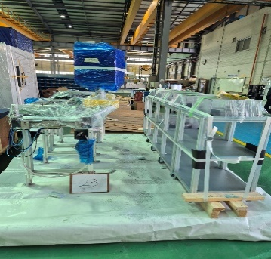 | 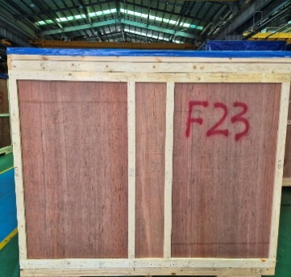 | 40HC | TGHU6409312 | M6476681 | 3 | 1
 | TMED-II motor post process, +150,000 | OP30 | Varnish cooling furnace | WIA-FINE-050 | This system is an industrial cooling furnace designed to transport stators via a pitch conveyor and cool the varnish-cured stators for moisture removal and temperature stabilization. | · Steel : 60% · Stainless Steel : 20% · Aluminum : 15% · Rubber : 5% | · Electricty : AC 480V 60Hz 3-phase · Control : DC 24V (AC120V) |  |  |  |  | 5,600 | 7,000 | 8,700 | 2,200 | 2,550 | 48.807 | 8479.89 | KOREA | HYUNDAI WIA | Wooden | 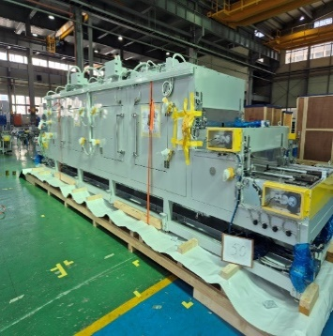 | 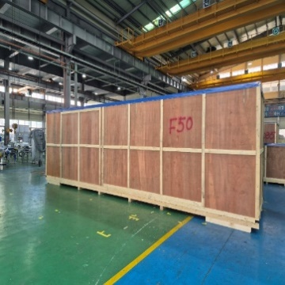
4 | TMED-II motor post process, +150,000 | OP100 | Epoxy drying furnace | WIA-FINE-097 | This system is an industrial heating furnace designed to convey stators via a pitch conveyor and cure the applied epoxy through controlled heating. | · Steel : 60% · Stainless Steel : 20% · Aluminum : 15% · Rubber : 5% | · Electricty : AC 480V 60Hz 3-phase · Control : DC 24V (AC120V) |  |  |  |  | 6,800 | 8,500 | 8,200 | 2,000 | 2,550 | 41.820 | 8479.89 | KOREA | HYUNDAI WIA | Wooden | 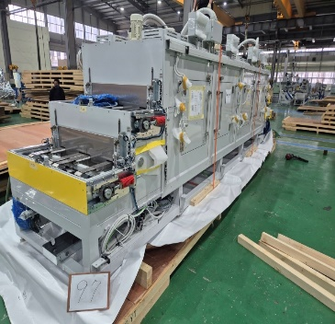 | 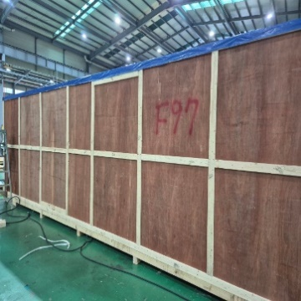 | 40HC | TRHU6142362 | M6512290 | 4 | 1
 | TMED-II motor post process, +150,000 | OP31 | Wire Forming #1 | WIA-FINE-054 | An automated machine that grips the bobbin wire with a gripper and mechanically forms it. | · Steel : 60% · Stainless Steel : 20% · Aluminum : 15% · Rubber : 5% | · Electricty : AC 480V 60Hz 3-phase · Control : DC 24V (AC120V) |  |  |  |  | 1,664 | 2,080 | 3,400 | 2,250 | 2,550 | 19.508 | 8479.89 | KOREA | HYUNDAI WIA | Wooden | 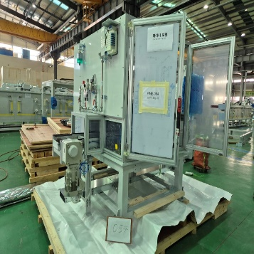 | 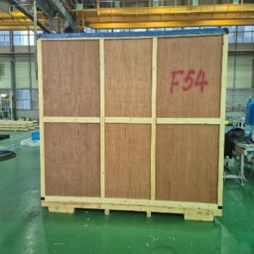
6 | TMED-II motor post process, +150,000 |  | Conveyor D6 Conveyor D28 | WIA-FINE-072 | A motor-driven conveyor used to transfer products between processes. | · Steel : 60% · Aluminum : 35% · Mc nylon : 5% | · Electricty : AC 480V 60Hz 3-phase · Control : DC 24V (AC120V) |  |  |  |  | 1,056 | 1,320 | 5,300 | 2,000 | 1,550 | 16.430 | 8479.89 | KOREA | HYUNDAI WIA | Wooden | 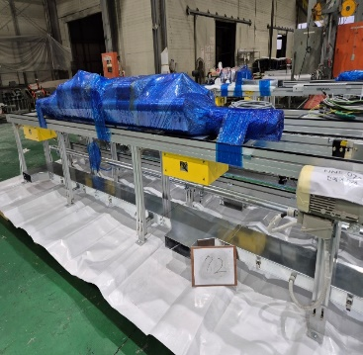 | 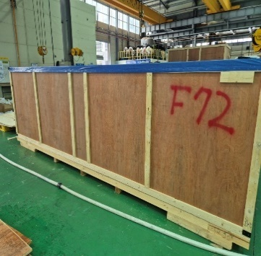 | 40HC | UETU7147525 | M6521510 | 6 | 1
 | TMED-II motor post process, +150,000 |  | Profile Fence #1 (Varnish) | WIA-FINE-042 | A safety enclosure designed to protect the equipment and ensure operator safety. | · Aluminum : 70% · Polycarbonate : 30% | · Electricty : AC 480V 60Hz 3-phase · Control : DC 24V (AC120V) |  |  |  |  | 1,280 | 1,600 | 4,700 | 2,300 | 2,350 | 25.404 | 8479.89 | KOREA | HYUNDAI WIA | Wooden | 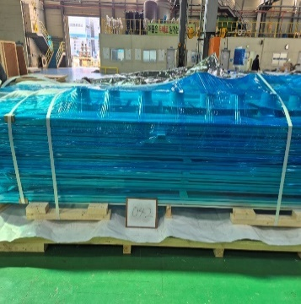 | 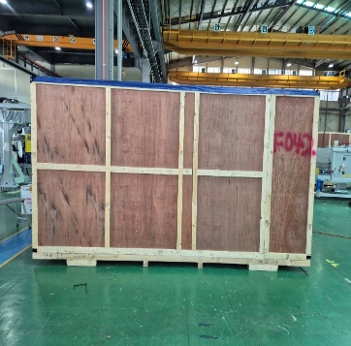
7 | TMED-II motor post process, +150,000 |  | Conveyor B1-1 (P1) Conveyor C4-1 (process connection) | WIA-FINE-017 | A motor-driven conveyor used to transfer products between processes. | · Steel : 60% · Aluminum : 35% · Mc nylon : 5% | · Electricty : AC 480V 60Hz 3-phase · Control : DC 24V (AC120V) |  |  |  |  | 480 | 600 | 4,020 | 2,000 | 1,550 | 12.462 | 8479.89 | KOREA | HYUNDAI WIA | Wooden | 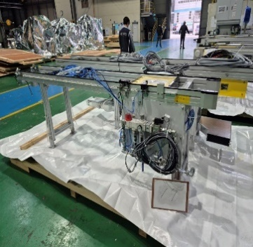 | 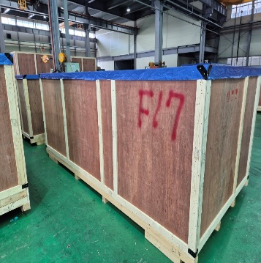 | 40HC | BEAU4153284 | M6512299 | 7 | 1
 | TMED-II motor post process, +150,000 |  | Conveyor E12 Conveyor E13 | WIA-FINE-084 | A motor-driven conveyor used to transfer products between processes. | · Steel : 60% · Aluminum : 35% · Mc nylon : 5% | · Electricty : AC 480V 60Hz 3-phase · Control : DC 24V (AC120V) |  |  |  |  | 1,168 | 1,460 | 7,600 | 2,000 | 1,550 | 23.560 | 8479.89 | KOREA | HYUNDAI WIA | Wooden | 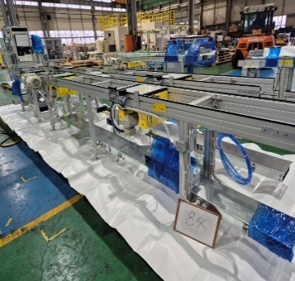 | 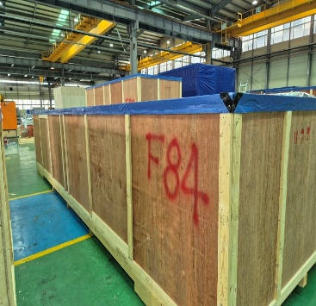
8 | TMED-II motor post process, +150,000 |  | Conveyor D4 Conveyor D29 | WIA-FINE-064 | A motor-driven conveyor used to transfer products between processes. | · Steel : 60% · Aluminum : 35% · Mc nylon : 5% | · Electricty : AC 480V 60Hz 3-phase · Control : DC 24V (AC120V) |  |  |  |  | 1,392 | 1,740 | 7,400 | 2,000 | 1,550 | 22.940 | 8479.89 | KOREA | HYUNDAI WIA | Wooden | 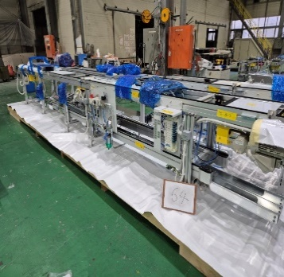 | 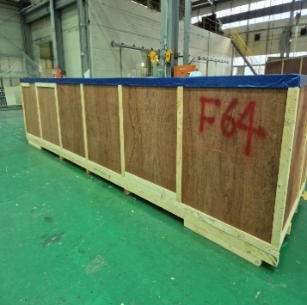 | 40HC | BMOU5566836 | M6512460 | 8 | 1
 | TMED-II motor post process, +150,000 |  | Conveyor C3 (process connection) Conveyor C4 (process connection) | WIA-FINE-025 | A motor-driven conveyor used to transfer products between processes. | · Steel : 60% · Aluminum : 35% · Mc nylon : 5% | · Electricty : AC 480V 60Hz 3-phase · Control : DC 24V (AC120V) |  |  |  |  | 784 | 980 | 4,200 | 2,000 | 2,100 | 17.640 | 8479.89 | KOREA | HYUNDAI WIA | Wooden | 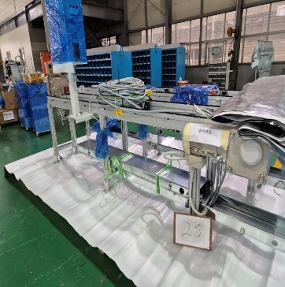 | 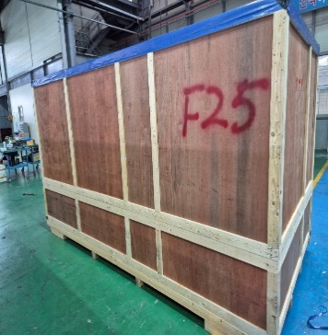
10 | TMED-II motor post process, +150,000 | OP115 | Electrical characteristics test | WIA-FINE-103 | An automated system designed to inspect the electrical characteristics of finished products. | · Steel : 60% · Stainless Steel : 20% · Aluminum : 15% · Rubber : 5% | · Electricty : AC 480V 60Hz 3-phase · Control : DC 24V (AC120V) |  |  |  |  | 2,656 | 3,320 | 5,200 | 2,200 | 2,550 | 29.172 | 8479.89 | KOREA | HYUNDAI WIA | Wooden | 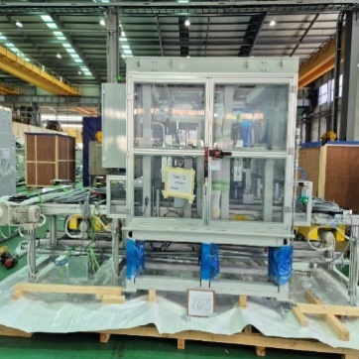 | 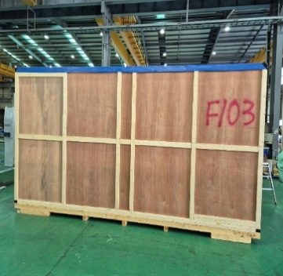 | 40HC | CMAU9322363 | M6476964 | 10 | 1
 | TMED-II motor post process, +150,000 |  | Traverse frame & upper duct | WIA-FINE-078 | Steel structure & A steel duct designed for organizing and protecting electrical wiring while ensuring safety. | · Steel : 100% | · Electricty : AC 480V 60Hz 3-phase · Control : DC 24V (AC120V) |  |  |  |  | 880 | 1,100 | 6,400 | 2,000 | 1,350 | 17.280 | 8479.89 | KOREA | HYUNDAI WIA | Wooden | 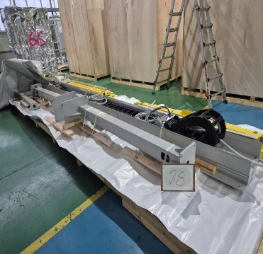 | 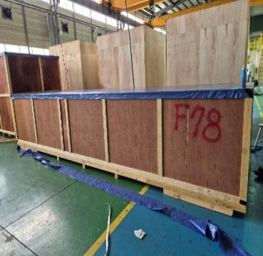
11 | TMED-II motor post process, +150,000 |  | Conveyor C9 (process connection) Conveyor C11 (process connection) | WIA-FINE-027 | A motor-driven conveyor used to transfer products between processes. | · Steel : 60% · Aluminum : 35% · Mc nylon : 5% | · Electricty : AC 480V 60Hz 3-phase · Control : DC 24V (AC120V) |  |  |  |  | 928 | 1,160 | 6,300 | 2,000 | 1,550 | 19.530 | 8479.89 | KOREA | HYUNDAI WIA | Wooden | 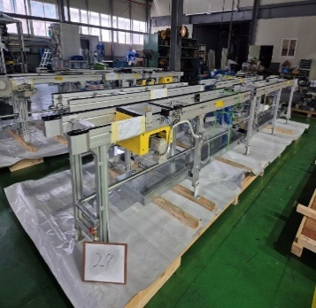 | 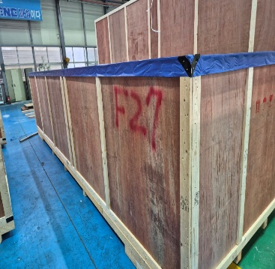 | 40HC | HPCU4273210 | M6523937 | 11 | 1
 | TMED-II motor post process, +150,000 |  | Conveyor C7 (process connection) Conveyor C8 (process connection) | WIA-FINE-026 | A motor-driven conveyor used to transfer products between processes. | · Steel : 60% · Aluminum : 35% · Mc nylon : 5% | · Electricty : AC 480V 60Hz 3-phase · Control : DC 24V (AC120V) |  |  |  |  | 848 | 1,060 | 5,300 | 2,000 | 1,550 | 16.430 | 8479.89 | KOREA | HYUNDAI WIA | Wooden | 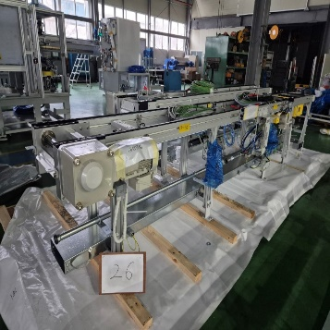 | 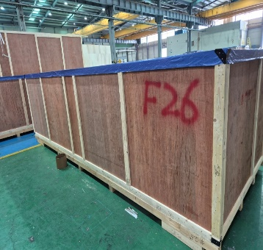
12 | TMED-II motor post process, +150,000 |  | Conveyor D2 Conveyor D3 | WIA-FINE-058 | A motor-driven conveyor used to transfer products between processes. | · Steel : 60% · Aluminum : 35% · Mc nylon : 5% | · Electricty : AC 480V 60Hz 3-phase · Control : DC 24V (AC120V) |  |  |  |  | 1,376 | 1,720 | 6,100 | 2,250 | 2,150 | 29.509 | 8479.89 | KOREA | HYUNDAI WIA | Wooden | 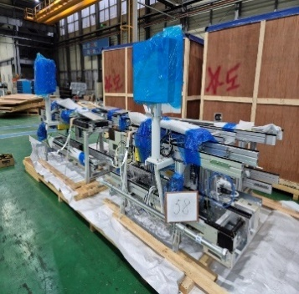 | 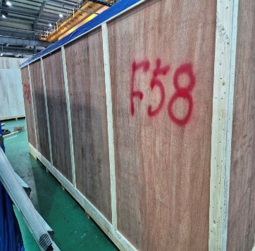 | 40HC | TLLU8660408 | M6512282 | 12 | 1
 | TMED-II motor post process, +150,000 |  | Conveyor E5 Conveyor E4 | WIA-FINE-086 | A motor-driven conveyor used to transfer products between processes. | · Steel : 60% · Aluminum : 35% · Mc nylon : 5% | · Electricty : AC 480V 60Hz 3-phase · Control : DC 24V (AC120V) |  |  |  |  | 944 | 1,180 | 5,400 | 2,000 | 1,550 | 16.740 | 8479.89 | KOREA | HYUNDAI WIA | Wooden | 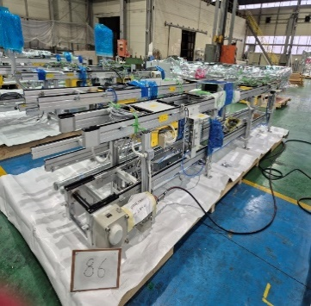 | 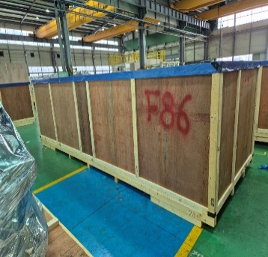
15 | TMED-II motor post process, +150,000 |  | Jig removal fence | WIA-FINE-101 | A safety enclosure designed to protect the equipment and ensure operator safety. | · Aluminum : 70% · Polycarbonate : 30% | Not Applicable |  |  |  |  | 544 | 680 | 1,900 | 2,200 | 2,500 | 10.450 | 8479.89 | KOREA | HYUNDAI WIA | Wooden | 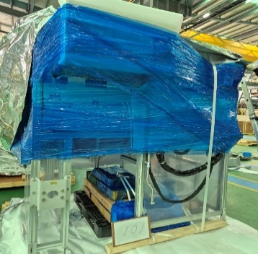 | 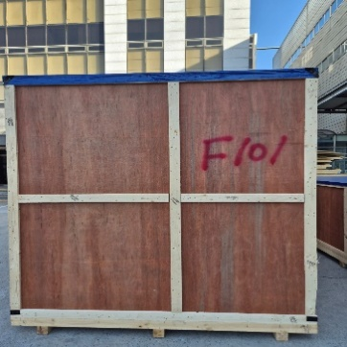 | 40HC | ECMU5484158 | M6476968 | 15 | 1
 | TMED-II motor post process, +150,000 |  | Conveyor E6 Conveyor E1 | WIA-FINE-080 | A motor-driven conveyor used to transfer products between processes. | · Steel : 60% · Aluminum : 35% · Mc nylon : 5% | · Electricty : AC 480V 60Hz 3-phase · Control : DC 24V (AC120V) |  |  |  |  | 1,440 | 1,800 | 5,680 | 2,200 | 2,550 | 31.865 | 8479.89 | KOREA | HYUNDAI WIA | Wooden | 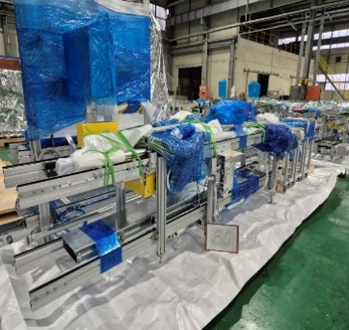 | 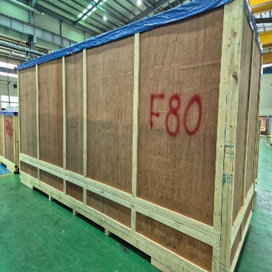
 | TMED-II motor post process, +150,000 |  | RTB Panel #2 | WIA-FINE-116 | An interface panel designed to organize wiring signals and connect them to the main control panel. | · Steel : 25% · Terminal Blocks : 25% · Wiring & Internal Cables : 20% · I/O Interface Modules / Connectors : 15% · Protection Devices : 10% · Accessories : 5% | · Electricty : AC 480V 60Hz 3-phase · Control : DC 24V (AC120V) |  |  |  |  | 1,152 | 1,440 | 2,700 | 1,700 | 1,950 | 8.951 | 8479.89 | KOREA | HYUNDAI WIA | Wooden | 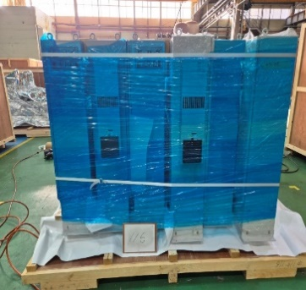 | 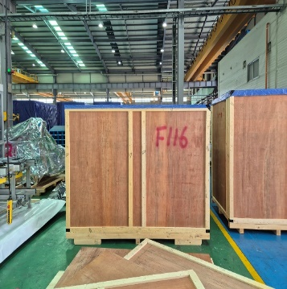
19 | TMED-II motor post process, +150,000 |  | Finished Pallet Conveyor #4 | WIA-FINE-110 | A motor-driven conveyor used to transfer products between processes. | · Steel : 60% · Aluminum : 35% · Mc nylon : 5% | · Electricty : AC 480V 60Hz 3-phase · Control : DC 24V (AC120V) |  |  |  |  | 1,344 | 1,680 | 5,600 | 1,650 | 1,810 | 16.724 | 8479.89 | KOREA | HYUNDAI WIA | Wooden | 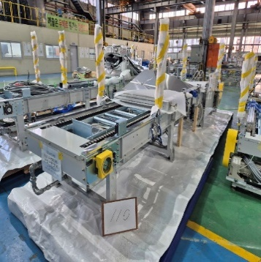 | 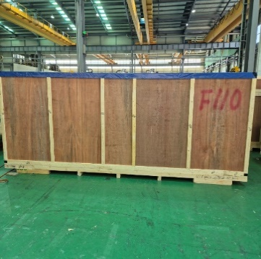 | 40HC | TIIU4858760 | M6488129 | 19 | 1
 | TMED-II motor post process, +150,000 |  | Air conditioner hose & autoloader OP | WIA-FINE-053 | An air supply line designed to deliver conditioned air from the air conditioning unit to the equipment. & A control panel for operating the equipment. | · Steel : 65% · Plastic : 30% · Accessories : 5% | · Control : DC 24V (AC120V) |  |  |  |  | 496 | 620 | 3,300 | 2,000 | 2,000 | 13.200 | 8479.89 | KOREA | HYUNDAI WIA | Wooden | 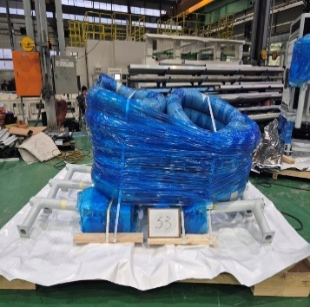
 | TMED-II motor post process, +150,000 |  | Overhead Stairs #3 | WIA-FINE-124 | A staircase designed to safely cross over the equipment structure. | · Steel : 100% | Not Applicable |  |  |  |  | 576 | 720 | 2,300 | 1,700 | 2,450 | 9.580 | 8479.89 | KOREA | HYUNDAI WIA | Wooden
21 | TMED-II motor post process, +150,000 |  | Conveyor A3 (P2) Conveyor A3-1 (P2) Conveyor A4 (P2) | WIA-FINE-014 | A motor-driven conveyor used to transfer products between processes. | · Steel : 60% · Aluminum : 35% · Mc nylon : 5% | · Electricty : AC 480V 60Hz 3-phase · Control : DC 24V (AC120V) |  |  |  |  | 864 | 1,080 | 5,300 | 2,000 | 1,550 | 16.430 | 8479.89 | KOREA | HYUNDAI WIA | Wooden |  |  | 40HC | APHU7214058 | M6479264 | 21 | 1
 | TMED-II motor post process, +150,000 | OP050 | Bobbin alignment (P2) | WIA-FINE-007 | An automated system designed to arrange individually supplied winding bobbins into a circular stator configuration. | · Steel : 60% · Stainless Steel : 20% · Aluminum : 15% · Rubber : 5% | · Electricty : AC 480V 60Hz 3-phase · Control : DC 24V (AC120V) |  |  |  |  | 2,032 | 2,540 | 3,250 | 2,300 | 2,550 | 19.061 | 8479.89 | KOREA | HYUNDAI WIA | Wooden
 | TMED-II motor post process, +150,000 | OP81 | Epoxy Molding #1 | WIA-FINE-087 | An automated system designed to apply epoxy to the top surface of the product. | · Steel : 60% · Stainless Steel : 20% · Aluminum : 15% · Rubber : 5% | · Electricty : AC 480V 60Hz 3-phase · Control : DC 24V (AC120V) |  |  |  |  | 1,520 | 1,900 | 3,100 | 2,300 | 2,500 | 17.825 | 8479.89 | KOREA | HYUNDAI WIA | Wooden
23 | TMED-II motor post process, +150,000 |  | Conveyor F5 Conveyor F4 | WIA-FINE-102 | A motor-driven conveyor used to transfer products between processes. | · Steel : 60% · Aluminum : 35% · Mc nylon : 5% | · Electricty : AC 480V 60Hz 3-phase · Control : DC 24V (AC120V) |  |  |  |  | 1,120 | 1,400 | 4,300 | 2,250 | 2,150 | 20.801 | 8479.89 | KOREA | HYUNDAI WIA | Wooden |  |  | 40HC | HPCU4962184 | M6488208 | 23 | 1
 | TMED-II motor post process, +150,000 | OP82 | Epoxy Molding #2 | WIA-FINE-088 | An automated system designed to apply epoxy to the top surface of the product. | · Steel : 60% · Stainless Steel : 20% · Aluminum : 15% · Rubber : 5% | · Electricty : AC 480V 60Hz 3-phase · Control : DC 24V (AC120V) |  |  |  |  | 1,536 | 1,920 | 3,100 | 2,300 | 2,500 | 17.825 | 8479.89 | KOREA | HYUNDAI WIA | Wooden
 | TMED-II motor post process, +150,000 | OP40-1 | Terminal Assembly #2 | WIA-FINE-060 | A conveyor system designed to load terminals and feed them individually. | · Steel : 90% · Stainless Steel : 10% | · Electricty : AC 480V 60Hz 3-phase · Control : DC 24V (AC120V) |  |  |  |  | 2,144 | 2,680 | 3,300 | 1,750 | 1,850 | 10.684 | 8479.89 | KOREA | HYUNDAI WIA | Wooden
26 | TMED-II motor post process, +150,000 |  | Conveyor D7-1 | WIA-FINE-065 | A motor-driven conveyor used to transfer products between processes. | · Steel : 60% · Aluminum : 35% · Mc nylon : 5% | · Electricty : AC 480V 60Hz 3-phase · Control : DC 24V (AC120V) |  |  |  |  | 832 | 1,040 | 4,400 | 2,000 | 2,150 | 18.920 | 8479.89 | KOREA | HYUNDAI WIA | Wooden |  |  | 40HC | TRHU7156669 | M6488133 | 26 | 1
 | TMED-II motor post process, +150,000 |  | Varnish application tank | WIA-FINE-038 | A storage tank for varnish solution used in product coating. | · Steel : 20% · Stainless Steel : 80% | · Electricty : AC 480V 60Hz 3-phase · Control : DC 24V (AC120V) |  |  |  |  | 1,024 | 1,280 | 3,500 | 1,450 | 1,600 | 8.120 | 8479.89 | KOREA | HYUNDAI WIA | Wooden
 | TMED-II motor post process, +150,000 |  | Autoloader Fence #1 (#2,#3) | WIA-FINE-048 | A safety enclosure designed to protect the equipment and ensure operator safety. | · Aluminum : 70% · Polycarbonate : 30% | Not Applicable |  |  |  |  | 1,360 | 1,700 | 3,660 | 2,200 | 2,350 | 18.922 | 8479.89 | KOREA | HYUNDAI WIA | Wooden
28 | TMED-II motor post process, +150,000 | OP060 | Supporting (P2) | WIA-FINE-009 | A machine designed for hot press-fitting an outer ring onto the product. | · Steel : 60% · Stainless Steel : 20% · Aluminum : 15% · Rubber : 5% | · Electricty : AC 480V 60Hz 3-phase · Control : DC 24V (AC120V) |  |  |  |  | 2,880 | 3,600 | 4,300 | 2,200 | 2,500 | 23.650 | 8479.89 | KOREA | HYUNDAI WIA | Wooden |  |  | 40HC | SEKU4527689 | R8740234 | 28 | 1
 | TMED-II motor post process, +150,000 |  | Profile Fence #2 (Varnish) | WIA-FINE-043 | A safety enclosure designed to protect the equipment and ensure operator safety. | · Aluminum : 70% · Polycarbonate : 30% | Not Applicable |  |  |  |  | 1,168 | 1,460 | 3,900 | 2,300 | 2,350 | 21.080 | 8479.89 | KOREA | HYUNDAI WIA | Wooden
 | TMED-II motor post process, +150,000 |  | Conveyor D16 Conveyor D20 | WIA-FINE-057 | A motor-driven conveyor used to transfer products between processes. | · Steel : 60% · Aluminum : 35% · Mc nylon : 5% | · Electricty : AC 480V 60Hz 3-phase · Control : DC 24V (AC120V) |  |  |  |  | 544 | 680 | 3,400 | 2,000 | 1,550 | 10.540 | 8479.89 | KOREA | HYUNDAI WIA | Wooden
31 | TMED-II motor post process, +150,000 |  | NG Conveyor 1-1 | WIA-FINE-120 | A motor-driven conveyor used to transfer products between processes. | · Steel : 60% · Aluminum : 35% · Mc nylon : 5% | · Electricty : AC 480V 60Hz 3-phase · Control : DC 24V (AC120V) |  |  |  |  | 704 | 880 | 3,300 | 2,250 | 1,500 | 11.138 | 8479.89 | KOREA | HYUNDAI WIA | Wooden |  |  | 40HC | CMAU3507009 | M6476687 | 31 | 1
 | TMED-II motor post process, +150,000 |  | NG Conveyor 1-2 | WIA-FINE-121 | A motor-driven conveyor used to transfer products between processes. | · Steel : 60% · Aluminum : 35% · Mc nylon : 5% | · Electricty : AC 480V 60Hz 3-phase · Control : DC 24V (AC120V) |  |  |  |  | 912 | 1,140 | 3,300 | 2,250 | 1,500 | 11.138 | 8479.89 | KOREA | HYUNDAI WIA | Wooden
 | TMED-II motor post process, +150,000 | OP60-2 | Terminal measurement (P1) | WIA-FINE-004 | An automated system for inspecting assembly height differences of the product. | · Steel : 60% · Stainless Steel : 20% · Aluminum : 15% · MC nyron : 5% | · Electricty : AC 480V 60Hz 3-phase · Control : DC 24V (AC120V) |  |  |  |  | 1,120 | 1,400 | 1,900 | 2,250 | 2,550 | 10.901 | 8479.89 | KOREA | HYUNDAI WIA | Wooden
 | TMED-II motor post process, +150,000 | OP60-2 | Terminal measurement (P2) | WIA-FINE-010 | An automated system for inspecting assembly height differences of the product. | · Steel : 60% · Stainless Steel : 20% · Aluminum : 15% · MC nyron : 5% | · Electricty : AC 480V 60Hz 3-phase · Control : DC 24V (AC120V) |  |  |  |  | 1,056 | 1,320 | 1,900 | 2,250 | 2,550 | 10.901 | 8479.89 | KOREA | HYUNDAI WIA | Wooden
34 | TMED-II motor post process, +150,000 | OP70 | Process connection reloader (P1) | WIA-FINE-005 | A loading system for transferring products between processes. | · Steel : 85% · MC nylon : 5% · Aluminum : 5% · Accessories : 5% | · Electricty : AC 480V 60Hz 3-phase · Control : DC 24V (AC120V) |  |  |  |  | 528 | 660 | 1,600 | 2,000 | 2,150 | 6.880 | 8479.89 | KOREA | HYUNDAI WIA | Wooden |  |  | 40HC | UETU7187739 | R8785946 | 34 | 1
 | TMED-II motor post process, +150,000 | OP60-3 | Air Blow (P1) | WIA-FINE-011 | An air blowing system for removing foreign particles. | · Steel : 60% · Stainless Steel : 20% · Aluminum : 15% · MC nyron : 5% | · Electricty : AC 480V 60Hz 3-phase · Control : DC 24V (AC120V) |  |  |  |  | 560 | 700 | 1,400 | 1,950 | 2,450 | 6.689 | 8479.89 | KOREA | HYUNDAI WIA | Wooden
 | TMED-II motor post process, +150,000 | OP120 | Completion inspection | WIA-FINE-104 | An automated vision inspection system for checking product assembly condition. | · Steel : 60% · Stainless Steel : 20% · Aluminum : 15% · MC nyron : 5% | · Electricty : AC 480V 60Hz 3-phase · Control : DC 24V (AC120V) |  |  |  |  | 736 | 920 | 1,800 | 2,100 | 2,550 | 9.639 | 8479.89 | KOREA | HYUNDAI WIA | Wooden
 | TMED-II motor post process, +150,000 |  | Marking machine loader | WIA-FINE-031 | 'A loading system for transferring products between processes. | · Steel : 65% · Stainless Steel : 20% · Aluminum : 10% · MC nyron : 5% | · Electricty : AC 480V 60Hz 3-phase · Control : DC 24V (AC120V) |  |  |  |  | 576 | 720 | 1,700 | 1,700 | 2,500 | 7.225 | 8479.89 | KOREA | HYUNDAI WIA | Wooden
 | TMED-II motor post process, +150,000 |  | Conveyor E2 Conveyor F1 | WIA-FINE-083 | A motor-driven conveyor used to transfer products between processes. | · Steel : 60% · Aluminum : 35% · Mc nylon : 5% | · Electricty : AC 480V 60Hz 3-phase · Control : DC 24V (AC120V) |  |  |  |  | 848 | 1,060 | 3,900 | 2,200 | 2,150 | 18.447 | 8479.89 | KOREA | HYUNDAI WIA | Wooden
 |  |  |  | 47 Boxes |  |  |  |  |  |  |  | 71,552 | 89,440 |  |  |  | 866.999 |  |  |  |  |  |  | 18
END | END | END | END | END | END | END | END | END | END | END | END | END | END | END | END | END | END | END | END | END | END | END | END | END | END | END | END | END
 |  |  |  |  |  |  |  |  |  |  |  |  |  |  |  |  |  |  |  |  |  |  | 40HC | 18 |  |  | 1st | 18
 |  |  |  |  |  |  |  |  |  |  |  |  |  |  | - |  |  |  |  |  |  |  | 40FR | 0 |  |  | 2nd | 0
 |  |  |  |  |  |  |  |  |  |  |  |  |  |  |  |  |  |  |  |  |  |  |  |  |  |  | 3rd | 0
 |  |  |  |  |  |  |  |  |  |  |  |  | - |  |  |  |  |  |  |  |  |  |  |  |  |  | 4th | 0

