PACKING DETAIL
ITEM : WINDING MACHINE Line SHIPMENT OF HYUNDAI TRANSYS MEXICO POWERTRAIN Co.,LTD
Container No. | Line Name | Work Station | Facility Name | Package No. |  |  | Description |  |  | Qty | Unit Price | Total USD | Net Weight (Kg) | Gross Weight (Kg) | Gross Size(m) |  |  | Measure. ( M³) | HS code | Country of origin | Name plate | Brand | Model | Serial Number | Packaging type | Pictures(packing) |  | HS CODE | Container Specifications | Container No. | Seal No.
 |  |  |  |  | Supplier's Part Number | Transys's Part Number | Detailed Description | Description in english | Category |  |  |  |  |  | L | W | H |  |  |  |  |  |  |  |  | Before | After
1 | WINDING LINE | Motor Winding Line | Decoating Machine | 32 | DK25-032 | Transys | Removes start/end lines for stator prep. | 32. DECOATING MACHINE | SET | 1 | $430,317 | $430,317 | 4,000 | 6,492 | 6,700 | 3,000 | 3,100 | 62.31 | 8456119000 | KOREA | 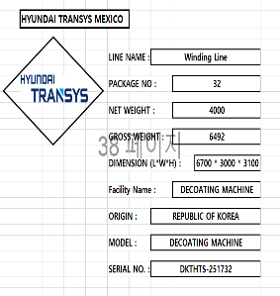 Shipping Mark | DKTEC INDUSTRY | DECOATING MACHINE | DKTHTS-251732 | Wooden | 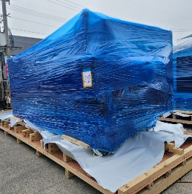 | 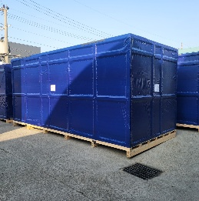 | 8456119000 | 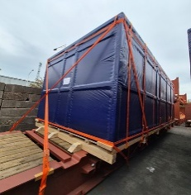 40FR OWH 1 | HDMU7511447
2 | WINDING LINE | Motor Winding Line | Decoating Machine | 33 | DK25-033 | Transys | Removes start/end lines for stator prep. | 33. DECOATING MACHINE | SET | 1 | $430,317 | $430,317 | 4,000 | 6,492 | 6,700 | 3,000 | 3,100 | 62.31 | 8456119000 | KOREA | 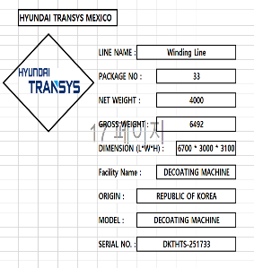 Shipping Mark | DKTEC INDUSTRY | DECOATING MACHINE | DKTHTS-251733 | Wooden | 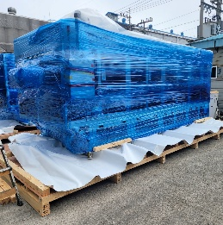 | 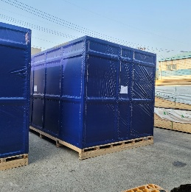 | 8456119000 | 40FR OWH 1 | HMMU7517762
 | WINDING LINE | Motor Winding Line | Decoating Machine | 34 | DK25-034 | Transys | Electrical main panel of DECOATING Machine | 34. PANEL | SET | 2 | $20,000 | $40,000 | 1,500 | 2,115 | 3,600 | 1,400 | 3,050 | 15.37 | 8504509090 | KOREA | 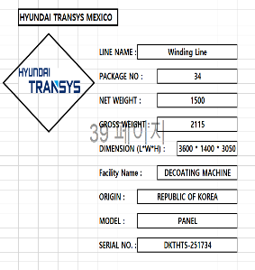 Shipping Mark | DKTEC INDUSTRY | PANEL | DKTHTS-251734 | Wooden | 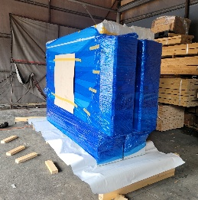 | 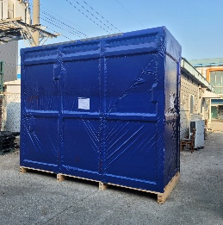 | 8504509090

