Machine Photo
HYUNDAI TRANSYS(MONTERREY) WINDING LINE |  |  |  |  | 2026-04-06
 |  |  |  |  | Rev.02
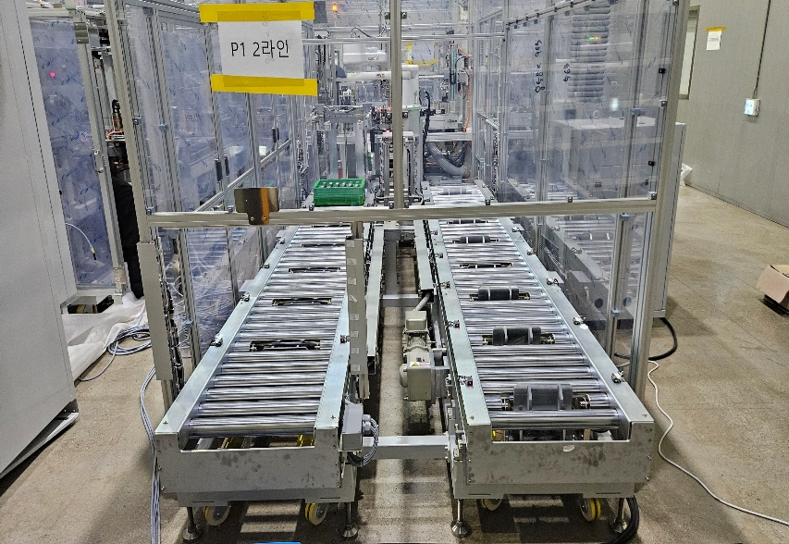 영업 구매 | 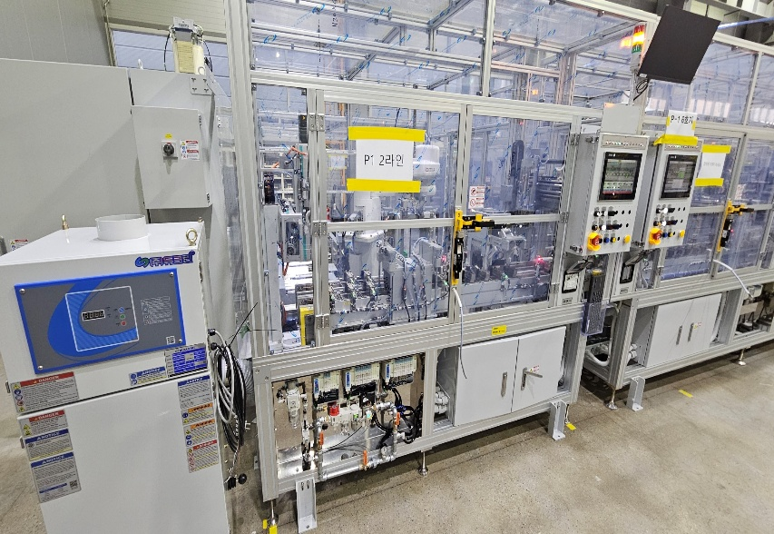 영업 구매 |  | 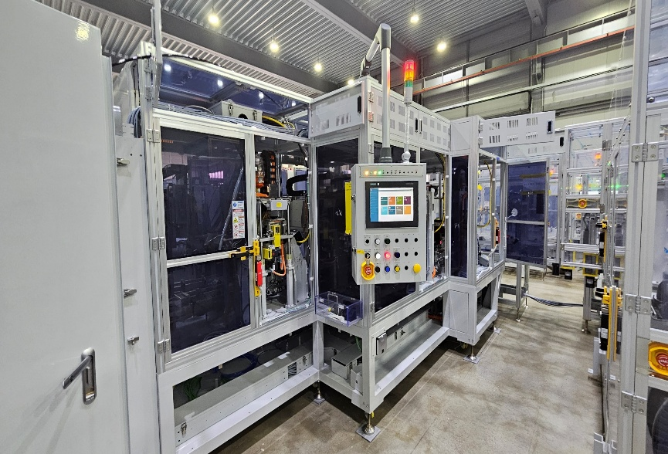 영업 구매
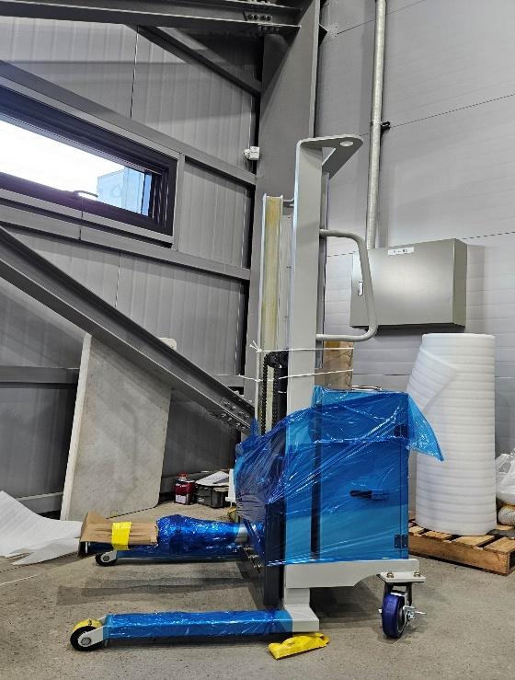
PALLETTIEZER | WINDING MACHINE |  | DECOATING MACHINE
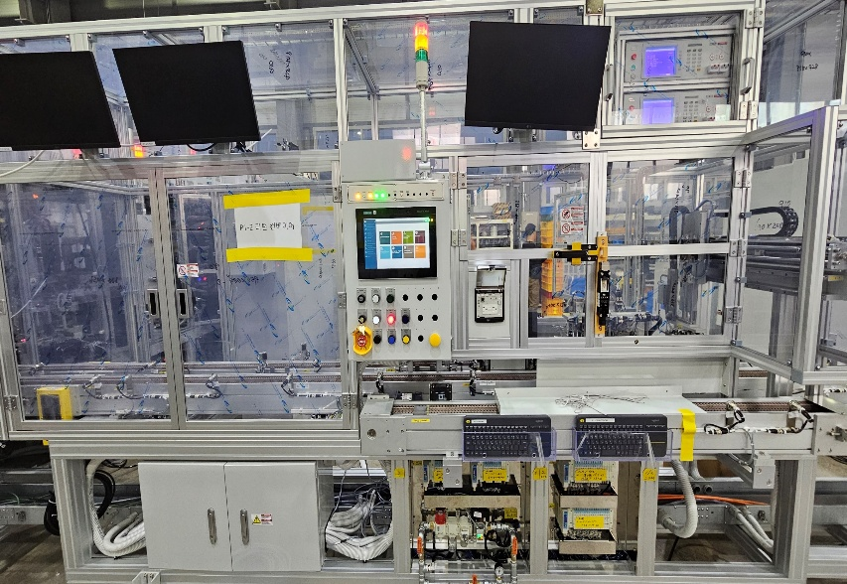 영업 구매 | 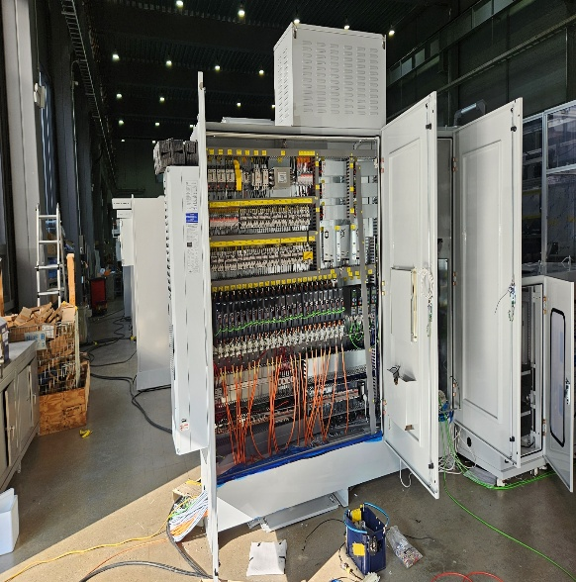 영업 구매 | 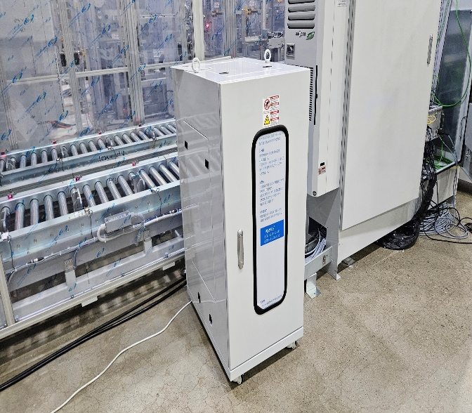 영업 구매 | 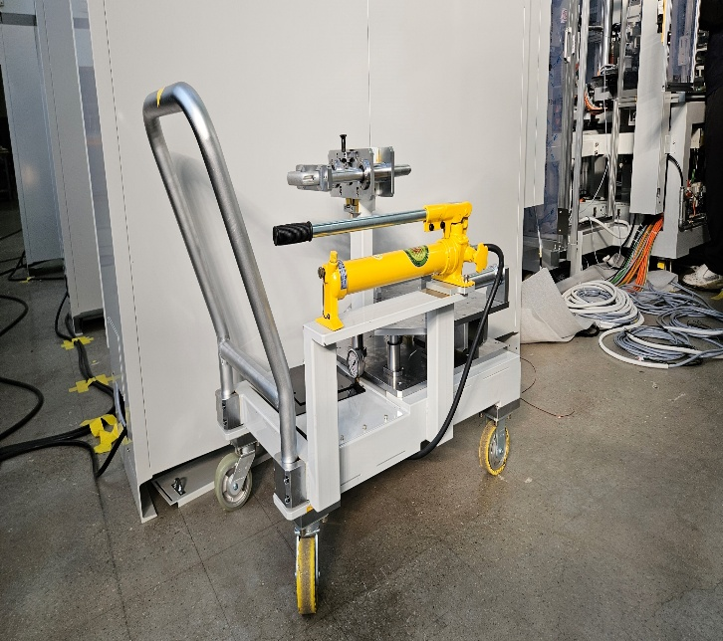 영업 구매 | 영업 구매
RETURN CONVEYOR | CONTROL PANEL / PC RACK |  | BOBBIN CARRIER | BOBBIN LIFTER

